TMFLIQ

TMFLIQ
 | TRUSTMF Liquid Fund

 | Monthly Portfolio Statement as on July 31, 2026
 | Name of the Instrument | ISIN | Rating | Quantity | Market/Fair Value (Rs. in Lakhs) | % to Net Assets | Yield to Maturity (YTM) | Yield to Call (YTC) | Notes & Symbols
 | Equity & Equity related |  |  |  | NIL | NIL

 | a) Listed/awaiting listing on Stock Exchanges |  |  |  | NIL | NIL

 | b) Unlisted |  |  |  | NIL | NIL

 | c) Foreign Securities and /or overseas ETF |  |  |  | NIL | NIL

 | Total |  |  |  | NIL | NIL
 | Debt Instruments
 | (a) Listed / awaiting listing on Stock Exchange
 | Non Convertible Debentures
SIDB519 | 7.44% Small Industries Dev Bank of India (04/09/2026) | INE556F08KI9 | CRISIL AAA | 2,500,000 | 2,500.79 | 2.21% | 6.65% |  | N**
 | Sub Total |  |  |  | 2,500.79 | 2.21%
 | (b) Privately placed / Unlisted |  |  |  | NIL | NIL
 | Sub Total |  |  |  | NIL | NIL
 | (c) Securitised Debt Instruments |  |  |  | NIL | NIL
 | Sub Total |  |  |  | NIL | NIL
 | Total |  |  |  | 2,500.79 | 2.21%
 | Money Market Instruments
 | Certificate of Deposit
CANB1100 | Canara Bank (15/09/2026) | INE476A16I18 | ICRA A1+ | 7,500,000 | 7,441.97 | 6.58% | 6.33% |  | N**
HDFB1015 | HDFC Bank Limited (11/09/2026) | INE040A16HN4 | CRISIL A1+ | 5,000,000 | 4,964.31 | 4.39% | 6.40% |  | N**
UNBI504 | Union Bank of India (24/09/2026) | INE692A16MP7 | ICRA A1+ | 5,000,000 | 4,952.90 | 4.38% | 6.43% |  | N**
UTIB1374 | Axis Bank Limited (15/10/2026) | INE238AD6BI8 | CRISIL A1+ | 5,000,000 | 4,931.00 | 4.36% | 6.81% |  | N**
HDFB1057 | HDFC Bank Limited (20/08/2026) | INE040A16JK6 | CRISIL A1+ | 2,500,000 | 2,491.77 | 2.20% | 6.35% |  | N**
UNBI496 | Union Bank of India (24/08/2026) | INE692A16MH4 | ICRA A1+ | 2,500,000 | 2,490.08 | 2.20% | 6.32% |  | N**
UTIB1395 | Axis Bank Limited (25/08/2026) | INE238AD6CJ4 | CRISIL A1+ | 2,500,000 | 2,489.61 | 2.20% | 6.35% |  | N**
CANB1113 | Canara Bank (31/08/2026) | INE476A16J33 | CRISIL A1+ | 2,500,000 | 2,487.12 | 2.20% | 6.30% |  | N**
BKBA592 | Bank of Baroda (01/09/2026) | INE028A16MM1 | CARE A1+ | 2,500,000 | 2,486.67 | 2.20% | 6.31% |  | N**
HDFB1013 | HDFC Bank Limited (10/09/2026) | INE040A16HL8 | CRISIL A1+ | 2,500,000 | 2,482.59 | 2.20% | 6.40%
BKBA537 | Bank of Baroda (16/09/2026) | INE028A16KC6 | FITCH A1+ | 2,500,000 | 2,480.05 | 2.19% | 6.38% |  | N**
SIDB618 | Small Industries Dev Bank of India (24/09/2026) | INE556F16BK7 | CRISIL A1+ | 2,500,000 | 2,476.39 | 2.19% | 6.45% |  | N**
UNBI510 | Union Bank of India (21/10/2026) | INE692A16MW3 | ICRA A1+ | 2,500,000 | 2,462.86 | 2.18% | 6.80% |  | N**
 | Sub Total |  |  |  | 44,637.32 | 39.47%
 | Commercial Paper
BAFS135 | Bajaj Financial Securities Limited (18/08/2026) | INE01C314FP2 | CRISIL A1+ | 5,000,000 | 4,984.74 | 4.41% | 6.58% |  | N**
SIDB672 | Small Industries Dev Bank of India (11/09/2026) | INE556F14MK9 | CARE A1+ | 5,000,000 | 4,964.23 | 4.39% | 6.42% |  | N**
KOSE424 | Kotak Securities Limited (24/09/2026) | INE028E14XG7 | CRISIL A1+ | 5,000,000 | 4,949.62 | 4.38% | 6.88% |  | N**
ICBR696 | ICICI Securities Limited (25/09/2026) | INE763G14B96 | CRISIL A1+ | 5,000,000 | 4,948.77 | 4.38% | 6.87% |  | N**
ADBM182 | Aditya Birla Money Limited (23/10/2026) | INE865C14QR7 | CRISIL A1+ | 5,000,000 | 4,914.24 | 4.35% | 7.67% |  | N**
NBAR905 | National Bank For Agriculture and Rural Development (14/08/2026) | INE261F14PI3 | ICRA A1+ | 2,500,000 | 2,494.34 | 2.21% | 6.37%
DHFL426 | Piramal Finance Limited (24/08/2026) | INE202B14PN6 | CRISIL A1+ | 2,500,000 | 2,488.63 | 2.20% | 7.25% |  | N**
NBAR909 | National Bank For Agriculture and Rural Development (03/09/2026) | INE261F14PN3 | ICRA A1+ | 2,500,000 | 2,485.55 | 2.20% | 6.43%
NBAR911 | National Bank For Agriculture and Rural Development (07/09/2026) | INE261F14PP8 | ICRA A1+ | 2,500,000 | 2,483.81 | 2.20% | 6.43% |  | N**
NBAR915 | National Bank For Agriculture and Rural Development (11/09/2026) | INE261F14PT0 | CRISIL A1+ | 2,500,000 | 2,482.07 | 2.20% | 6.43%
SIDB675 | Small Industries Dev Bank of India (21/09/2026) | INE556F14MM5 | CRISIL A1+ | 2,500,000 | 2,477.50 | 2.19% | 6.50% |  | N**
HPEC323 | Hindustan Petroleum Corporation Limited (29/09/2026) | INE094A14KH2 | CRISIL A1+ | 2,500,000 | 2,474.05 | 2.19% | 6.49%
 | Sub Total |  |  |  | 42,147.55 | 37.30%
 | Treasury Bill
TBIL2633 | 182 Days Tbill (MD 03/09/2026) | IN002025Y487 | Sovereign | 9,500,000 | 9,455.50 | 8.37% | 5.21%
TBIL2672 | 91 Days Tbill (MD 24/09/2026) | IN002026X123 | Sovereign | 5,000,000 | 4,961.56 | 4.39% | 5.24%
TBIL2686 | 91 Days Tbill (MD 29/10/2026) | IN002026X172 | Sovereign | 2,500,000 | 2,467.99 | 2.18% | 5.32%
TBIL2660 | 91 Days Tbill (MD 20/08/2026) | IN002026X073 | Sovereign | 2,000,000 | 1,994.61 | 1.76% | 5.19%
TBIL2551 | 364 Days Tbill (MD 20/08/2026) | IN002025Z211 | Sovereign | 2,000,000 | 1,994.61 | 1.76% | 5.20%
TBIL2653 | 91 Days Tbill (MD 06/08/2026) | IN002026X057 | Sovereign | 200,000 | 199.86 | 0.18% | 5.15%
 | Sub Total |  |  |  | 21,074.13 | 18.64%
 | Bills Re-Discounting |  |  |  | NIL | NIL
 | Sub Total
 | Total |  |  |  | 107,859.00 | 95.41%
 | Others
 | Corporate Debt Market Development Fund
CDMD50ME | Corporate Debt Market Development Fund | INF0RQ622028 |  | 1,727.093 | 205.88 | 0.18%
 | Sub Total |  |  |  | 205.88 | 0.18%
 | Mutual Fund Units |  |  |  | NIL | NIL
 | Sub Total
 | Exchange Traded Funds |  |  |  | NIL | NIL
 | Sub Total
 | Gold |  |  |  | NIL | NIL
 | Sub Total
 | Short Term Deposits |  |  |  | NIL | NIL
 | Sub Total
 | Term Deposits Placed as Margins |  |  |  | NIL | NIL
 | Sub Total
 | Total |  |  |  | 205.88 | 0.18%
 | CBLO / Reverse Repo / TREPS
TRP_030826 | TREPS 03-Aug-2026 |  |  |  | 2,031.37 | 1.80%
 | Sub Total |  |  |  | 2,031.37 | 1.80%
 | Total |  |  |  | 2,031.37 | 1.80%
 | Net Receivables / (Payables) |  |  |  | 438.50 | 0.40%
 | GRAND TOTAL |  |  |  | 113,035.54 | 100.00%

 | Notes :
 | 1) The provision made for investment in security below investment grade as on July 31,2026 is Rs Nil and its percentage to Net Asset Value is Nil.
 | 2) Net Assets Value per unit (in Rs) are as follows :
 | Plan/Option |  |  |  | As on July 31, 2026 |  | As on June 30 , 2026
 | Direct Plan - Daily IDCW |  |  |  | 1,289.4591 |  | 1,284.9934
 | Direct Plan - Growth Option |  |  |  | 1,364.6274 |  | 1,357.6496
 | Direct Plan - Monthly IDCW |  |  |  | 1,217.3549 |  | 1,213.1194
 | Direct Plan - Weekly IDCW |  |  |  | 1,245.3467 |  | 1,240.9649
 | Regular Plan - Daily IDCW |  |  |  | 1,217.3153 |  | 1,213.4965
 | Regular Plan - Growth Option |  |  |  | 1,353.7752 |  | 1,347.0290
 | Regular Plan - Monthly IDCW |  |  |  | 1,207.6600 |  | 1,203.6336
 | Regular Plan - Weekly IDCW |  |  |  | 1,192.3495 |  | 1,188.4010

 | 3) Details of Dividend declared per unit (in Rs.) as on July 31,2026
 | Plan/Option |  |  |  | Individuals/HUF |  | Other than Individual/HUF
 | Direct Plan - Daily IDCW |  |  |  | 2.325000000 |  | 2.325000000
 | Direct Plan - Monthly IDCW |  |  |  | 2.000000000 |  | 2.000000000
 | Direct Plan - Weekly IDCW |  |  |  | 2.000000000 |  | 2.000000000
 | Regular Plan - Daily IDCW |  |  |  | 2.325000000 |  | 2.325000000
 | Regular Plan - Monthly IDCW |  |  |  | 2.000000000 |  | 2.000000000
 | Regular Plan - Weekly IDCW |  |  |  | 2.000000000 |  | 2.000000000
 | 4) No Bonus declared as on July 31,2026
 | 5) Total outstanding exposure in derivative instruments as on July 31,2026 : Nil.
 | 6) Total investments in Foreign Securities / Overseas ETFs as at July 31,2026 and its percentage to NAV : Nil.
 | 7) Details of repo transactions in corporate debt securities as on July 31,2026: NIL
 | 8) Details of transactions of (Credit Default Swap) as on July 31,2026 : Nil.
 | 9) Average maturity of the portfolio : 44 Days
 | 10) Annualised Portfolio YTM : 6.30%
 | 11) Macaulay Duration : 44 Days
 | 12) Reverse Repo market value is considered as book cost plus accrued Interest.
 | 13) Whether any security is in default beyond its maturity date: Nil
 | 14) Whether during the period any investment is made in derivative instruments: Nil
 | 15) Instances of Fair valuation of securities or Deviation in valuation from what is provided by valuation agencies: Nil
 | 16) Any deviation from the mandated assets allocation - Nil
 | 17) Deviation from the valuation prices given by valuation agencies during the relevant period: Nil
 | 18) Aggregate Investments by other schemes as on July 31,2026 Rs. 2337.40 Lakhs.
 | 19) For other details please refer to our website - www.trustmf.com

 | Notes & Symbols :-
 | # -> Less Than 0.005% ; A** -> awaiting Listing on Stock Exchanges ; T** -> Thinly Traded Securities ; N** -> Non Traded Securities ; I** -> Illiquid Shares ; R** -> Rights Entitlement ; P** Preference Shares ; W** Warrants
 | 1. Non Convertible Debentures and Bonds are considered as Traded based on information provided by external agencies.
 | 2. All corporate ratings are assigned by rating agencies like CRISIL; CARE; ICRA; IND; BRW.
 | 3. In Line with AMFI Best Practices Guidelines Circular No. AMFI/ 35P/ MEM-COR/ 72 / 2022-23 dated December 31, 2022 on Standard format for disclosure Portfolio YTM for Debt Schemes, yield of the instruments is disclosed on annualized basis as provided by Valuation agencies.

TMFST
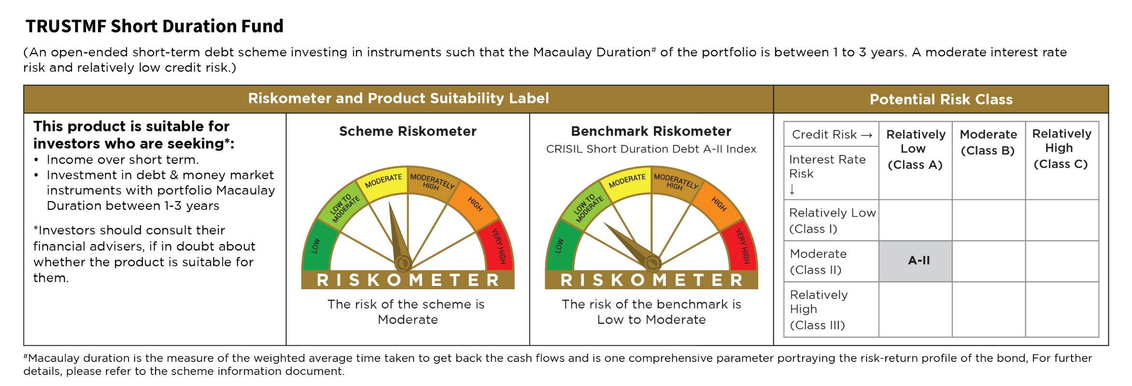
TMFST
 | TRUSTMF Short Duration Fund

 | Monthly Portfolio Statement as on July 31, 2026
 | Name of the Instrument | ISIN | Rating | Quantity | Market/Fair Value (Rs. in Lakhs) | % to Net Assets | Yield to Maturity (YTM) | Yield to Call (YTC) | Notes & Symbols
 | Equity & Equity related |  |  |  | NIL | NIL

 | a) Listed/awaiting listing on Stock Exchanges |  |  |  | NIL | NIL

 | b) Unlisted |  |  |  | NIL | NIL

 | c) Foreign Securities and /or overseas ETF |  |  |  | NIL | NIL

 | Total |  |  |  | NIL | NIL
 | Debt Instruments
 | (a) Listed / awaiting listing on Stock Exchange
 | Non Convertible Debentures
EXIM794 | 7.35% Export Import Bank of India (27/07/2028) | INE514E08GE8 | CRISIL AAA | 650,000 | 652.75 | 11.08% | 7.11% |  | N**
SIDB566 | 7.68% Small Industries Dev Bank of India (10/09/2027) | INE556F08KQ2 | CRISIL AAA | 500,000 | 501.27 | 8.51% | 7.45% |  | N**
LICH680 | 7.74% LIC Housing Finance Limited (11/02/2028) | INE115A07QW5 | CRISIL AAA | 500,000 | 501.05 | 8.51% | 7.54% |  | N**
BAFL943 | 7.7951% Bajaj Finance Limited (10/12/2027) | INE296A07TF2 | CRISIL AAA | 500,000 | 500.20 | 8.49% | 7.71% |  | N**
IRLY395 | 6.47% Indian Railway Finance Corporation Limited (30/05/2028) | INE053F08510 | CRISIL AAA | 500,000 | 494.08 | 8.39% | 7.17% |  | N**
PGCI410 | 7.20% Power Grid Corporation of India Limited (09/08/2027) | INE752E07OG5 | CRISIL AAA | 400,000 | 400.21 | 6.79% | 7.14% |  | N**
 | Sub Total |  |  |  | 3,049.56 | 51.77%
 | Central Government Securities
GOI7411 | 6.36% Government of India (16/02/2031) | IN0020250141 | Sovereign | 1,500,000 | 1,494.85 | 25.38% | 6.55%
GOI7629 | 6.94% Government of India (11/05/2036) | IN0020260025 | Sovereign | 900,000 | 906.93 | 15.40% | 6.95%
 | Sub Total |  |  |  | 2,401.78 | 40.78%
 | (b) Privately placed / Unlisted |  |  |  | NIL | NIL
 | Sub Total |  |  |  | NIL | NIL
 | (c) Securitised Debt Instruments |  |  |  | NIL | NIL
 | Sub Total |  |  |  | NIL | NIL
 | Total |  |  |  | 5,451.34 | 92.55%
 | Money Market Instruments
 | Treasury Bill
TBIL2634 | 364 Days Tbill (MD 04/03/2027) | IN002025Z484 | Sovereign | 175,000 | 169.43 | 2.88% | 5.58%
TBIL2653 | 91 Days Tbill (MD 06/08/2026) | IN002026X057 | Sovereign | 10,000 | 9.99 | 0.17% | 5.15%
 | Sub Total |  |  |  | 179.42 | 3.05%
 | Commercial Paper |  |  |  | NIL | NIL
 | Sub Total |  |  |  | NIL | NIL
 | Certificate of Deposits |  |  |  | NIL | NIL
 | Sub Total
 | Bills Re-Discounting |  |  |  | NIL | NIL
 | Sub Total
 | Total |  |  |  | 179.42 | 3.05%
 | Others
 | Corporate Debt Market Development Fund
CDMD50ME | Corporate Debt Market Development Fund | INF0RQ622028 |  | 319.544 | 38.09 | 0.65%
 | Sub Total |  |  |  | 38.09 | 0.65%
 | Mutual Fund Units |  |  |  | NIL | NIL
 | Sub Total
 | Exchange Traded Funds |  |  |  | NIL | NIL
 | Sub Total
 | Gold |  |  |  | NIL | NIL
 | Sub Total
 | Short Term Deposits |  |  |  | NIL | NIL
 | Sub Total
 | Term Deposits Placed as Margins |  |  |  | NIL | NIL
 | Sub Total
 | Total |  |  |  | 38.09 | 0.65%
 | CBLO / Reverse Repo / TREPS
TRP_030826 | TREPS 03-Aug-2026 |  |  |  | 4,765.76 | 80.90%
 | Sub Total |  |  |  | 4,765.76 | 80.90%
 | Total |  |  |  | 4,765.76 | 80.90%
 | Net Receivables / (Payables) |  |  |  | (4,543.82) | (77.15)%
 | GRAND TOTAL |  |  |  | 5,890.79 | 100.00%

 | Notes :
 | 1) The provision made for investment in security below investment grade as on July 31,2026 is Rs Nil and its percentage to Net Asset Value is Nil.
 | 2) Net Assets Value per unit (in Rs) are as follows :
 | Plan/Option |  |  |  | As on July 31, 2026 |  | As on June 30, 2026
 | Direct Plan - Growth Option |  |  |  | 1,354.4312 |  | 1,350.2677
 | Direct Plan - Monthly IDCW |  |  |  | 1,160.5206 |  | 1,159.9005
 | Direct Plan - Quarterly IDCW |  |  |  | 1,176.9968 |  | 1,173.3742
 | Direct Plan - Weekly IDCW |  |  |  | 1,136.8644 |  | 1,136.1433
 | Regular Plan - Growth Option |  |  |  | 1,321.0674 |  | 1,317.5539
 | Regular Plan - Monthly IDCW |  |  |  | 1,139.8869 |  | 1,139.8309
 | Regular Plan - Quarterly IDCW |  |  |  | 1,145.8174 |  | 1,142.7724
 | Regular Plan - Weekly IDCW |  |  |  | 1,116.9010 |  | 1,116.7028

 | 3) Details of Dividend declared per unit (in Rs.) as on July 31,2026
 | Plan/Option |  |  |  | Individuals/HUF |  | Other than Individual/HUF
 | Direct Plan - Monthly IDCW |  |  |  | 3.000000000 |  | 3.000000000
 | Direct Plan - Quarterly IDCW |  |  |  | - |  | -
 | Direct Plan - Weekly IDCW |  |  |  | 2.800000000 |  | 2.800000000
 | Regular Plan - Monthly IDCW |  |  |  | 3.000000000 |  | 3.000000000
 | Regular Plan - Quarterly IDCW |  |  |  | - |  | -
 | Regular Plan - Weekly IDCW |  |  |  | 2.800000000 |  | 2.800000000
 | 4) No Bonus declared as on July 31,2026
 | 5) Total outstanding exposure in derivative instruments as on July 31,2026 : Nil.
 | 6) Total investments in Foreign Securities / Overseas ETFs as at July 31,2026 and its percentage to NAV : Nil.
 | 7) Details of repo transactions in corporate debt securities as on July 31,2026: Nil.
 | 8) Details of transactions of (Credit Default Swap) as on July 31,2026 : Nil.
 | 9) Average maturity of the portfolio : 3.58 Years
 | 10) Annualised Portfolio YTM : 7.00%
 | 11) Macaulay Duration : 2.95 Years
 | 12) Reverse Repo market value is considered as book cost plus accrued Interest.
 | 13) Whether any security is in default beyond its maturity date: Nil
 | 14) Whether during the period any investment is made in derivative instruments: Nil
 | 15) Instances of Fair valuation of securities or Deviation in valuation from what is provided by valuation agencies: Nil
 | 16) Any deviation from the mandated assets allocation - Nil
 | 17) Deviation from the valuation prices given by valuation agencies during the relevant period: Nil
 | 18) For other details please refer to our website - www.trustmf.com

 | Notes & Symbols :-
 | # -> Less Than 0.005% ; A** -> awaiting Listing on Stock Exchanges ; T** -> Thinly Traded Securities ; N** -> Non Traded Securities ; I** -> Illiquid Shares ; R** -> Rights Entitlement ; P** Preference Shares ; W** Warrants
 | 1. Non Convertible Debentures and Bonds are considered as Traded based on information provided by external agencies.
 | 2. All corporate ratings are assigned by rating agencies like CRISIL; CARE; ICRA; IND; BRW.
 | 3. In Line with AMFI Best Practices Guidelines Circular No. AMFI/ 35P/ MEM-COR/ 72 / 2022-23 dated December 31, 2022 on Standard format for disclosure Portfolio YTM for Debt Schemes, yield of the instruments is disclosed on annualized basis as provided by Valuation agencies.

TMFOF
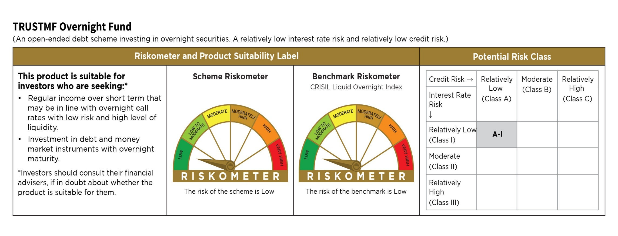
TMFOF
 | TRUSTMF Overnight Fund

 | Monthly Portfolio Statement as on July 31, 2026
 | Name of the Instrument | ISIN | Rating | Quantity | Market/Fair Value (Rs. in Lakhs) | % to Net Assets | Yield to Maturity (YTM) | Yield to Call (YTC) | Notes & Symbols
 | Equity & Equity related |  |  |  | NIL | NIL

 | a) Listed/awaiting listing on Stock Exchanges |  |  |  | NIL | NIL

 | b) Unlisted |  |  |  | NIL | NIL

 | c) Foreign Securities and /or overseas ETF |  |  |  | NIL | NIL

 | Total |  |  |  | NIL | NIL
 | Debt Instruments

 | a) Listed/awaiting listing on the stock exchanges |  |  |  | NIL | NIL

 | b) Privately Placed/Unlisted |  |  |  | NIL | NIL

 | c) Securitised Debt Instruments |  |  |  | NIL | NIL

 | Total |  |  |  | NIL | NIL
 | Money Market Instruments
 | Treasury Bill
TBIL2653 | 91 Days Tbill (MD 06/08/2026) | IN002026X057 | Sovereign | 220,000 | 219.84 | 2.94% | 5.15%
 | Sub Total |  |  |  | 219.84 | 2.94%
 | Commercial Paper |  |  |  | NIL | NIL
 | Sub Total |  |  |  | NIL | NIL
 | Certificate of Deposits |  |  |  | NIL | NIL
 | Sub Total
 | Bills Re-Discounting |  |  |  | NIL | NIL
 | Sub Total
 | Total |  |  |  | 219.84 | 2.94%
 | Others |  |  |  | NIL | NIL

 | a) Mutual Fund Units / Exchange Traded Funds |  |  |  | NIL | NIL

 | b) Gold |  |  |  | NIL | NIL

 | c) Short Term Deposits |  |  |  | NIL | NIL

 | d) Term Deposits Placed as Margins |  |  |  | NIL | NIL

 | Total |  |  |  | NIL | NIL
 | CBLO / Reverse Repo / TREPS
TRP_030826 | TREPS 03-Aug-2026 |  |  |  | 7,234.91 | 96.67%
 | Sub Total |  |  |  | 7,234.91 | 96.67%
 | Total |  |  |  | 7,234.91 | 96.67%
 | Net Receivables / (Payables) |  |  |  | 29.67 | 0.39%
 | GRAND TOTAL |  |  |  | 7,484.42 | 100.00%

 | Notes :
 | 1) The provision made for investment in security below investment grade as on July 31,2026 is Rs Nil and its percentage to Net Asset Value is Nil.
 | 2) Net Assets Value per unit (in Rs) are as follows :
 | Plan/Option |  |  |  | As on July 31, 2026 |  | As on June 30, 2026
 | Direct Plan - Daily IDCW |  |  |  | 1,267.4647 |  | 1,262.0036
 | Direct Plan - Growth Option |  |  |  | 1,295.2371 |  | 1,289.6747
 | Regular Plan - Daily IDCW |  |  |  | 1,255.6834 |  | 1,252.2444
 | Regular Plan - Growth Option |  |  |  | 1,292.2877 |  | 1,286.8017
 | Unclaimed Redemption Plan Below 3 years |  |  |  | 1,000.1387 |  | -
 | Unclaimed Dividend Plan Above 3 years |  |  |  | - |  | -
 | Unclaimed Dividend Plan Below 3 years |  |  |  | - |  | -
 | Unclaimed Redemption Plan Above 3 years |  |  |  | - |  | -

 | 3) Details of Dividend declared per unit (in Rs.) as on July 31,2026
 | Plan/Option |  |  |  | Individuals/HUF |  | Other than Individual/HUF
 | Direct Plan - Daily IDCW |  |  |  | - |  | -
 | Regular Plan - Daily IDCW |  |  |  | 2.480000000 |  | 2.480000000
 | 4) No Bonus declared as on July 31,2026
 | 5) Total outstanding exposure in derivative instruments as on July 31,2026 : Nil.
 | 6) Total investments in Foreign Securities / Overseas ETFs as at July 31,2026 and its percentage to NAV : Nil.
 | 7) Details of repo transactions in corporate debt securities as on July 31,2026:
 | 8) Details of transactions of (Credit Default Swap) as on July 31,2026 : Nil.
 | 9) Average maturity of the portfolio : 3 Days
 | 10) Annualised Portfolio YTM : 5.20%
 | 11) Macaulay Duration : 3 Days
 | 12) Reverse Repo market value is considered as book cost plus accrued Interest.
 | 13) Whether any security is in default beyond its maturity date: Nil
 | 14) Whether during the period any investment is made in derivative instruments: Nil
 | 15) Instances of Fair valuation of securities or Deviation in valuation from what is provided by valuation agencies: Nil
 | 16) Any deviation from the mandated assets allocation - Nil
 | 17) Deviation from the valuation prices given by valuation agencies during the relevant period: Nil
 | 18) For other details please refer to our website - www.trustmf.com

 | Notes & Symbols :-
 | # -> Less Than 0.005% ; A** -> awaiting Listing on Stock Exchanges ; T** -> Thinly Traded Securities ; N** -> Non Traded Securities ; I** -> Illiquid Shares ; R** -> Rights Entitlement ; P** Preference Shares ; W** Warrants
 | 1. Non Convertible Debentures and Bonds are considered as Traded based on information provided by external agencies.
 | 2. All corporate ratings are assigned by rating agencies like CRISIL; CARE; ICRA; IND; BRW.
 | 3. In Line with AMFI Best Practices Guidelines Circular No. AMFI/ 35P/ MEM-COR/ 72 / 2022-23 dated December 31, 2022 on Standard format for disclosure Portfolio YTM for Debt Schemes, yield of the instruments is disclosed on annualized basis as provided by Valuation agencies.

TMFMM
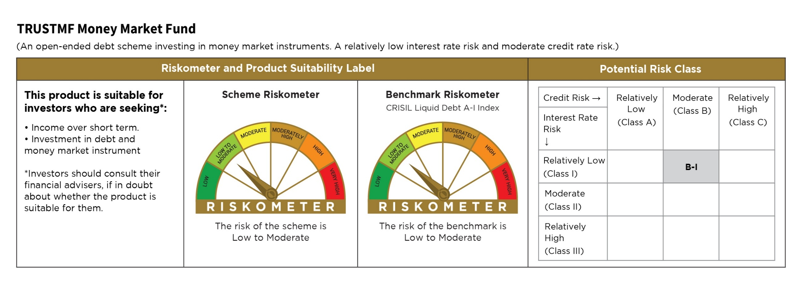
TMFMM
 | TRUSTMF Money Market Fund

 | Monthly Portfolio Statement as on July 31, 2026
 | Name of the Instrument | ISIN | Rating | Quantity | Market/Fair Value (Rs. in Lakhs) | % to Net Assets | Yield to Maturity (YTM) | Yield to Call (YTC) | Notes & Symbols
 | Equity & Equity related |  |  |  | NIL | NIL

 | a) Listed/awaiting listing on Stock Exchanges |  |  |  | NIL | NIL

 | b) Unlisted |  |  |  | NIL | NIL

 | c) Foreign Securities and /or overseas ETF |  |  |  | NIL | NIL

 | Total |  |  |  | NIL | NIL
 | Debt Instruments

 | a) Listed/awaiting listing on the stock exchanges |  |  |  | NIL | NIL

 | b) Privately Placed/Unlisted |  |  |  | NIL | NIL

 | c) Securitised Debt Instruments |  |  |  | NIL | NIL

 | Total |  |  |  | NIL | NIL
 | Money Market Instruments
 | Certificate of Deposit
PUBA1145 | Punjab National Bank (09/02/2027) | INE160A16UH5 | CRISIL A1+ | 1,500,000 | 1,447.39 | 10.01% | 6.91% |  | N**
SIDB645 | Small Industries Dev Bank of India (14/01/2027) | INE556F16BV4 | CRISIL A1+ | 1,000,000 | 968.93 | 6.70% | 7.05%
BKBA567 | Bank of Baroda (02/02/2027) | INE028A16LG5 | CARE A1+ | 1,000,000 | 966.23 | 6.68% | 6.90% |  | N**
KMBK896 | Kotak Mahindra Bank Limited (04/02/2027) | INE237AD6133 | CRISIL A1+ | 1,000,000 | 965.81 | 6.68% | 6.91% |  | N**
IBCL1181 | ICICI Bank Limited (12/02/2027) | INE090AD6287 | ICRA A1+ | 1,000,000 | 964.60 | 6.67% | 6.87% |  | N**
NBAR881 | National Bank For Agriculture and Rural Development (17/02/2027) | INE261F16AK6 | CRISIL A1+ | 1,000,000 | 962.81 | 6.66% | 7.05% |  | N**
CANB1099 | Canara Bank (26/02/2027) | INE476A16I00 | CRISIL A1+ | 1,000,000 | 961.99 | 6.65% | 6.90% |  | N**
HDFB1050 | HDFC Bank Limited (12/03/2027) | INE040A16IZ6 | CARE A1+ | 1,000,000 | 959.27 | 6.63% | 6.95% |  | N**
UNBI482 | Union Bank of India (15/03/2027) | INE692A16LP9 | ICRA A1+ | 1,000,000 | 958.91 | 6.63% | 6.92%
 | Sub Total |  |  |  | 9,155.94 | 63.31%
 | Commercial Paper
KOSE390 | Kotak Securities Limited (23/02/2027) | INE028E14VB2 | CRISIL A1+ | 1,500,000 | 1,439.75 | 9.96% | 7.42% |  | N**
BAFL1036 | Bajaj Finance Limited (19/03/2027) | INE296A14G36 | ICRA A1+ | 1,000,000 | 956.14 | 6.61% | 7.28% |  | N**
 | Sub Total |  |  |  | 2,395.89 | 16.57%
 | Treasury Bill
TBIL2585 | 364 Days Tbill (MD 06/11/2026) | IN002025Z328 | Sovereign | 500,000 | 492.94 | 3.41% | 5.39%
TBIL2674 | 182 Days Tbill (MD 24/12/2026) | IN002026Y121 | Sovereign | 500,000 | 489.37 | 3.38% | 5.47%
TBIL2629 | 364 Days Tbill (MD 25/02/2027) | IN002025Z476 | Sovereign | 500,000 | 484.57 | 3.35% | 5.59%
TBIL2634 | 364 Days Tbill (MD 04/03/2027) | IN002025Z484 | Sovereign | 150,000 | 145.23 | 1.00% | 5.58%
TBIL2653 | 91 Days Tbill (MD 06/08/2026) | IN002026X057 | Sovereign | 50,000 | 49.96 | 0.35% | 5.15%
 | Sub Total |  |  |  | 1,662.07 | 11.49%
 | Bills Re-Discounting |  |  |  | NIL | NIL
 | Sub Total
 | Total |  |  |  | 13,213.90 | 91.37%
 | Others
 | Corporate Debt Market Development Fund
CDMD50ME | Corporate Debt Market Development Fund | INF0RQ622028 |  | 448.378 | 53.45 | 0.37%
 | Sub Total |  |  |  | 53.45 | 0.37%
 | Mutual Fund Units |  |  |  | NIL | NIL
 | Sub Total
 | Exchange Traded Funds |  |  |  | NIL | NIL
 | Sub Total
 | Gold |  |  |  | NIL | NIL
 | Sub Total
 | Short Term Deposits |  |  |  | NIL | NIL
 | Sub Total
 | Term Deposits Placed as Margins |  |  |  | NIL | NIL
 | Sub Total
 | Total |  |  |  | 53.45 | 0.37%
 | CBLO / Reverse Repo / TREPS
TRP_030826 | TREPS 03-Aug-2026 |  |  |  | 1,711.53 | 11.84%
 | Sub Total |  |  |  | 1,711.53 | 11.84%
 | Total |  |  |  | 1,711.53 | 11.84%
 | Net Receivables / (Payables) |  |  |  | (520.27) | (3.58)%
 | GRAND TOTAL |  |  |  | 14,458.61 | 100.00%

 | Notes :
 | 1) The provision made for investment in security below investment grade as on July 31,2026 is Rs Nil and its percentage to Net Asset Value is Nil.
 | 2) Net Assets Value per unit (in Rs) are as follows :
 | Plan/Option |  |  |  | As on July 31, 2026 |  | As on June 30, 2026
 | Direct Plan - Growth Option |  |  |  | 1,311.9339 |  | 1,305.7962
 | Direct Plan - Monthly IDCW |  |  |  | 1,162.5442 |  | 1,160.0860
 | Regular Plan - Growth Option |  |  |  | 1,301.1238 |  | 1,295.3716
 | Regular Plan - Monthly IDCW |  |  |  | 1,152.4994 |  | 1,150.3912

 | 3) Details of Dividend declared per unit (in Rs.) as on July 31,2026
 | Plan/Option |  |  |  | Individuals/HUF |  | Other than Individual/HUF
 | Direct Plan - Monthly IDCW |  |  |  | 3.000000000 |  | 3.000000000
 | Regular Plan - Monthly IDCW |  |  |  | 3.000000000 |  | 3.000000000
 | 4) No Bonus declared as on July 31,2026
 | 5) Total outstanding exposure in derivative instruments as on July 31,2026 : Nil.
 | 6) Total investments in Foreign Securities / Overseas ETFs as at July 31,2026 and its percentage to NAV : Nil.
 | 7) Details of repo transactions in corporate debt securities as on July 31,2026: Nil.
 | 8) Details of transactions of (Credit Default Swap) as on July 31,2026 : Nil.
 | 9) Average maturity of the portfolio : 180 Days
 | 10) Annualised Portfolio YTM : 6.68%
 | 11) Macaulay Duration : 180 Days
 | 12) Reverse Repo market value is considered as book cost plus accrued Interest.
 | 13) Whether any security is in default beyond its maturity date: Nil
 | 14) Whether during the period any investment is made in derivative instruments: Nil
 | 15) Instances of Fair valuation of securities or Deviation in valuation from what is provided by valuation agencies: Nil
 | 16) Any deviation from the mandated assets allocation - Nil
 | 17) Deviation from the valuation prices given by valuation agencies during the relevant period: Nil
 | 18) For other details please refer to our website - www.trustmf.com

 | Notes & Symbols :-
 | # -> Less Than 0.005% ; A** -> awaiting Listing on Stock Exchanges ; T** -> Thinly Traded Securities ; N** -> Non Traded Securities ; I** -> Illiquid Shares ; R** -> Rights Entitlement ; P** Preference Shares ; W** Warrants
 | 1. Non Convertible Debentures and Bonds are considered as Traded based on information provided by external agencies.
 | 2. All corporate ratings are assigned by rating agencies like CRISIL; CARE; ICRA; IND; BRW.
 | 3. In Line with AMFI Best Practices Guidelines Circular No. AMFI/ 35P/ MEM-COR/ 72 / 2022-23 dated December 31, 2022 on Standard format for disclosure Portfolio YTM for Debt Schemes, yield of the instruments is disclosed on annualized basis as provided by Valuation agencies.

TMFCB
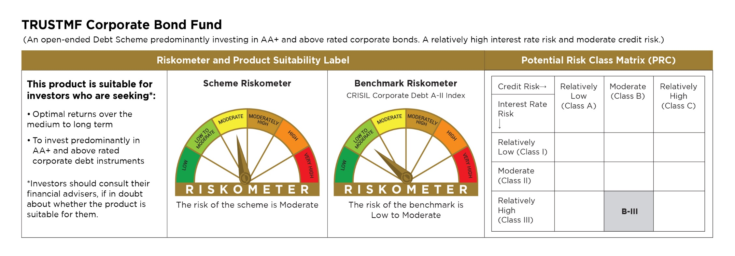
TMFCB
 | TRUSTMF Corporate Bond Fund

 | Monthly Portfolio Statement as on July 31, 2026
 | Name of the Instrument | ISIN | Rating | Quantity | Market/Fair Value (Rs. in Lakhs) | % to Net Assets | Yield to Maturity (YTM) | Yield to Call (YTC) | Notes & Symbols
 | Equity & Equity related |  |  |  | NIL | NIL

 | a) Listed/awaiting listing on Stock Exchanges |  |  |  | NIL | NIL

 | b) Unlisted |  |  |  | NIL | NIL

 | c) Foreign Securities and /or overseas ETF |  |  |  | NIL | NIL

 | Total |  |  |  | NIL | NIL
 | Debt Instruments
 | (a) Listed / awaiting listing on Stock Exchange
 | Non Convertible Debentures
EXIM794 | 7.35% Export Import Bank of India (27/07/2028) | INE514E08GE8 | CRISIL AAA | 1,350,000 | 1,355.71 | 14.85% | 7.11% |  | N**
POWF526 | 7.6% Power Finance Corporation Limited (13/04/2029) | INE134E08MX3 | CRISIL AAA | 1,000,000 | 1,006.84 | 11.03% | 7.30% |  | N**
HDFB913 | 7.70% HDFC Bank Limited (16/05/2028) | INE040A08955 | CRISIL AAA | 1,000,000 | 1,003.10 | 10.99% | 7.48% |  | N**
IRLY395 | 6.47% Indian Railway Finance Corporation Limited (30/05/2028) | INE053F08510 | CRISIL AAA | 1,000,000 | 988.17 | 10.82% | 7.17% |  | N**
SIDB566 | 7.68% Small Industries Dev Bank of India (10/09/2027) | INE556F08KQ2 | CRISIL AAA | 500,000 | 501.27 | 5.49% | 7.45% |  | N**
SIDB547 | 7.68% Small Industries Dev Bank of India (09/07/2027) | INE556F08KO7 | CRISIL AAA | 500,000 | 501.10 | 5.49% | 7.42% |  | N**
BAFL974 | 7.3763% Bajaj Finance Limited (26/06/2028) | INE296A07TJ4 | CRISIL AAA | 500,000 | 496.69 | 5.44% | 7.75% |  | N**
SUFI760 | 7.18% Sundaram Finance Limited (16/05/2028) | INE660A07RX6 | CRISIL AAA | 500,000 | 495.66 | 5.43% | 7.69% |  | N**
RECL473 | 6.87% REC Limited (31/05/2030) | INE020B08FU0 | ICRA AAA | 500,000 | 492.78 | 5.40% | 7.31% |  | N**
PGCI410 | 7.20% Power Grid Corporation of India Limited (09/08/2027) | INE752E07OG5 | CRISIL AAA | 100,000 | 100.05 | 1.10% | 7.14% |  | N**
 | Sub Total |  |  |  | 6,941.37 | 76.04%
 | Central Government Securities
GOI7411 | 6.36% Government of India (16/02/2031) | IN0020250141 | Sovereign | 1,000,000 | 996.57 | 10.92% | 6.55%
GOI6306 | 6.75% Government of India (23/12/2029) | IN0020240183 | Sovereign | 500,000 | 505.14 | 5.53% | 6.51%
GOI7629 | 6.94% Government of India (11/05/2036) | IN0020260025 | Sovereign | 100,000 | 100.77 | 1.10% | 6.95%
 | Sub Total |  |  |  | 1,602.48 | 17.55%
 | (b) Privately placed / Unlisted |  |  |  | NIL | NIL
 | Sub Total |  |  |  | NIL | NIL
 | (c) Securitised Debt Instruments |  |  |  | NIL | NIL
 | Sub Total |  |  |  | NIL | NIL
 | Total |  |  |  | 8,543.85 | 93.59%
 | Money Market Instruments
 | Treasury Bill
TBIL2634 | 364 Days Tbill (MD 04/03/2027) | IN002025Z484 | Sovereign | 175,000 | 169.43 | 1.86% | 5.58%
TBIL2653 | 91 Days Tbill (MD 06/08/2026) | IN002026X057 | Sovereign | 20,000 | 19.99 | 0.22% | 5.15%
 | Sub Total |  |  |  | 189.42 | 2.08%
 | Commercial Paper |  |  |  | NIL | NIL
 | Sub Total |  |  |  | NIL | NIL
 | Certificate of Deposits |  |  |  | NIL | NIL
 | Sub Total
 | Bills Re-Discounting |  |  |  | NIL | NIL
 | Sub Total
 | Total |  |  |  | 189.42 | 2.08%
 | Others
 | Corporate Debt Market Development Fund
CDMD50ME | Corporate Debt Market Development Fund | INF0RQ622028 |  | 1,253.735 | 149.45 | 1.64%
 | Sub Total |  |  |  | 149.45 | 1.64%
 | Mutual Fund Units |  |  |  | NIL | NIL
 | Sub Total
 | Exchange Traded Funds |  |  |  | NIL | NIL
 | Sub Total
 | Gold |  |  |  | NIL | NIL
 | Sub Total
 | Short Term Deposits |  |  |  | NIL | NIL
 | Sub Total
 | Term Deposits Placed as Margins |  |  |  | NIL | NIL
 | Sub Total
 | Total |  |  |  | 149.45 | 1.64%
 | CBLO / Reverse Repo / TREPS
TRP_030826 | TREPS 03-Aug-2026 |  |  |  | 1,326.61 | 14.53%
 | Sub Total |  |  |  | 1,326.61 | 14.53%
 | Total |  |  |  | 1,326.61 | 14.53%
 | Net Receivables / (Payables) |  |  |  | (1,080.53) | (11.84)%
 | GRAND TOTAL |  |  |  | 9,128.80 | 100.00%

 | Notes :
 | 1) The provision made for investment in security below investment grade as on July 31,2026 is Rs Nil and its percentage to Net Asset Value is Nil.
 | 2) Net Assets Value per unit (in Rs) are as follows :
 | Plan/Option |  |  |  | As on July 31, 2026 |  | As on June 30, 2026
 | Direct Plan - Growth Option |  |  |  | 1,272.3629 |  | 1,269.1661
 | Direct Plan - Monthly IDCW |  |  |  | 1,186.2981 |  | 1,186.0864
 | Regular Plan - Growth Option |  |  |  | 1,254.4769 |  | 1,251.7415
 | Regular Plan - Monthly IDCW |  |  |  | 1,166.5643 |  | 1,166.8143

 | 3) Details of Dividend declared per unit (in Rs.) as on July 31,2026
 | Plan/Option |  |  |  | Individuals/HUF |  | Other than Individual/HUF
 | Direct Plan-Monthly IDCW |  |  |  | 2.800000000 |  | 2.800000000
 | Regular Plan -Monthly IDCW |  |  |  | 2.800000000 |  | 2.800000000
 | 4) No Bonus declared as on July 31,2026
 | 5) Total outstanding exposure in derivative instruments as on July 31,2026 : Nil.
 | 6) Total investments in Foreign Securities / Overseas ETFs as at July 31,2026 and its percentage to NAV : Nil.
 | 7) Details of repo transactions in corporate debt securities as on July 31,2026: Nil.
 | 8) Details of transactions of (Credit Default Swap) as on July 31,2026 : Nil.
 | 9) Average maturity of the portfolio : 2.42 Years
 | 10) Annualised Portfolio YTM : 7.15%
 | 11) Macaulay Duration : 2.20 Years
 | 12) Reverse Repo market value is considered as book cost plus accrued Interest.
 | 13) Whether any security is in default beyond its maturity date: Nil
 | 14) Whether during the period any investment is made in derivative instruments: Nil
 | 15) Instances of Fair valuation of securities or Deviation in valuation from what is provided by valuation agencies: Nil
 | 16) Any deviation from the mandated assets allocation - Nil |  |  |  |  |  |  |  | 16) Any deviation from the mandated assets allocation - NIL
 | 17) Deviation from the valuation prices given by valuation agencies during the relevant period: Nil |  |  |  |  |  |  |  | 17) Deviation from the valuation prices given by valuation agencies during the relevant period: NIL
 | 18) For other details please refer to our website - www.trustmf.com

 | Notes & Symbols :-
 | # -> Less Than 0.005% ; A** -> awaiting Listing on Stock Exchanges ; T** -> Thinly Traded Securities ; N** -> Non Traded Securities ; I** -> Illiquid Shares ; R** -> Rights Entitlement ; P** Preference Shares ; W** Warrants
 | 1. Non Convertible Debentures and Bonds are considered as Traded based on information provided by external agencies.
 | 2. All corporate ratings are assigned by rating agencies like CRISIL; CARE; ICRA; IND; BRW.
 | 3. In Line with AMFI Best Practices Guidelines Circular No. AMFI/ 35P/ MEM-COR/ 72 / 2022-23 dated December 31, 2022 on Standard format for disclosure Portfolio YTM for Debt Schemes, yield of the instruments is disclosed on annualized basis as provided by Valuation agencies.

TMFFLEXI
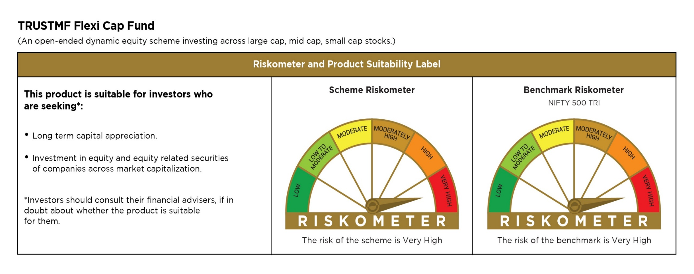
 | TMFCB
 | TRUSTMF Flexi Cap Fund

 | Monthly Portfolio Statement as on July 31, 2026
 | Name of the Instrument | ISIN | Industry | Quantity | Market/Fair Value (Rs. in Lakhs) | % to Net Assets | Yield to Maturity (YTM) | Yield to Call (YTC) | Notes & Symbols
 | Equity & Equity related
 | (a) Listed / awaiting listing on Stock Exchanges
IBCL05 | ICICI Bank Limited | INE090A01021 | Banks | 460,638 | 6,612.00 | 6.61%
BAFL03 | Bajaj Finance Limited | INE296A01032 | Finance | 311,056 | 3,549.77 | 3.55%
SHTR02 | Shriram Finance Limited | INE721A01047 | Finance | 320,540 | 3,355.09 | 3.35%
TWAT02 | Titan Company Limited | INE280A01028 | Consumer Durables | 62,527 | 3,048.32 | 3.05%
ZMPL01 | Eternal Limited | INE758T01015 | Retailing | 997,988 | 3,018.41 | 3.02%
DICA03 | Diamond Power Infra Limited | INE989C01038 | Electrical Equipment | 881,057 | 2,854.36 | 2.85%
DIXO02 | Dixon Technologies (India) Limited | INE935N01020 | Consumer Durables | 17,204 | 2,416.99 | 2.42%
LENS01 | Lenskart Solutions Limited | INE956O01016 | Retailing | 411,838 | 2,312.06 | 2.31%
LARS02 | Larsen & Toubro Limited | INE018A01030 | Construction | 56,004 | 2,205.94 | 2.20%
MUFL01 | Muthoot Finance Limited | INE414G01012 | Finance | 65,628 | 2,047.33 | 2.05%
BTVL02 | Bharti Airtel Limited | INE397D01024 | Telecom - Services | 97,829 | 1,929.19 | 1.93%
FEBA02 | The Federal Bank Limited | INE171A01029 | Banks | 535,037 | 1,919.98 | 1.92%
HDFB03 | HDFC Bank Limited | INE040A01034 | Banks | 251,190 | 1,879.28 | 1.88%
CEES01 | Clean Max Enviro Energy Solutions Limited | INE647U01026 | Power | 137,984 | 1,842.91 | 1.84%
NITL02 | Coforge Limited | INE591G01025 | IT - Software | 105,563 | 1,816.74 | 1.82%
LAUR02 | Laurus Labs Limited | INE947Q01028 | Pharmaceuticals & Biotechnology | 99,398 | 1,805.27 | 1.80%
PHWL01 | PhysicsWallah Limited | INE0LP301011 | Other Consumer Services | 1,361,561 | 1,700.45 | 1.70%
BBGV02 | Billionbrains Garage Ventures Ltd | INE0HOQ01053 | Capital Markets | 847,624 | 1,647.53 | 1.65%
INFS02 | Infosys Limited | INE009A01021 | IT - Software | 132,708 | 1,499.73 | 1.50%
RAKH02 | Radico Khaitan Limited | INE944F01028 | Beverages | 34,476 | 1,496.53 | 1.50%
SANE01 | Sansera Engineering Limited | INE953O01021 | Auto Components | 43,286 | 1,448.74 | 1.45%
RCAM01 | Nippon Life India Asset Management Limited | INE298J01013 | Capital Markets | 121,735 | 1,413.83 | 1.41%
MAHI02 | Mahindra & Mahindra Limited | INE101A01026 | Automobiles | 40,691 | 1,382.88 | 1.38%
SHEP02 | Shaily Engineering Plastics Limited | INE151G01028 | Consumer Durables | 43,414 | 1,329.08 | 1.33%
HONA01 | Honasa Consumer Limited | INE0J5401028 | Personal Products | 290,992 | 1,308.15 | 1.31%
SAEL02 | TVS Motor Company Limited | INE494B01023 | Automobiles | 30,193 | 1,302.25 | 1.30%
STBL01 | Onesource Specialty Pharma Limited | INE013P01021 | Pharmaceuticals & Biotechnology | 79,736 | 1,291.48 | 1.29%
KALJ01 | Kalyan Jewellers India Limited | INE303R01014 | Consumer Durables | 205,800 | 1,260.73 | 1.26%
HZIN02 | Hindustan Zinc Limited | INE267A01025 | Non - Ferrous Metals | 232,500 | 1,253.64 | 1.25%
BHDY02 | Bharat Dynamics Limited | INE171Z01026 | Aerospace & Defense | 97,379 | 1,220.26 | 1.22%
MCEX02 | Multi Commodity Exchange of India Limited | INE745G01043 | Capital Markets | 43,492 | 1,170.89 | 1.17%
RATN01 | RBL Bank Limited | INE976G01028 | Banks | 310,010 | 1,164.09 | 1.16%
SBAI02 | State Bank of India | INE062A01020 | Banks | 110,490 | 1,135.17 | 1.13%
BHFO02 | Bharat Forge Limited | INE465A01025 | Auto Components | 51,318 | 1,128.89 | 1.13%
DIVI02 | Divi's Laboratories Limited | INE361B01024 | Pharmaceuticals & Biotechnology | 13,674 | 1,101.58 | 1.10%
GIND02 | Gabriel India Limited | INE524A01029 | Auto Components | 74,016 | 1,067.16 | 1.07%
ODCL03 | Dalmia Bharat Limited | INE00R701025 | Cement & Cement Products | 58,547 | 1,053.67 | 1.05%
ZENT02 | Zen Technologies Limited | INE251B01027 | Aerospace & Defense | 64,485 | 1,047.37 | 1.05%
SKGO01 | Sky Gold And Diamonds Limited | INE01IU01018 | Consumer Durables | 162,503 | 1,046.03 | 1.05%
TMLC01 | Tata Motors Ltd | INE1TAE01010 | Agricultural, Commercial & Construction Vehicles | 235,667 | 1,029.39 | 1.03%
EIML02 | Eicher Motors Limited | INE066A01021 | Automobiles | 12,971 | 1,016.08 | 1.02%
NACL03 | National Aluminium Company Limited | INE139A01034 | Non - Ferrous Metals | 288,806 | 1,010.97 | 1.01%
MINC01 | Minda Corporation Limited | INE842C01021 | Auto Components | 144,165 | 1,010.52 | 1.01%
SEDE01 | Sedemac Mechatronics Limited | INE00XB01019 | Auto Components | 37,439 | 1,005.01 | 1.00%
ONCO02 | One 97 Communications Limited | INE982J01020 | Financial Technology (Fintech) | 74,684 | 1,003.01 | 1.00%
JSWI01 | JSW Infrastructure Ltd | INE880J01026 | Transport Infrastructure | 319,303 | 997.50 | 1.00%
IEIN02 | Info Edge (India) Limited | INE663F01032 | Retailing | 80,838 | 991.28 | 0.99%
NELA01 | Neuland Laboratories Limited | INE794A01010 | Pharmaceuticals & Biotechnology | 5,153 | 981.29 | 0.98%
BSEL02 | BSE Limited | INE118H01025 | Capital Markets | 26,815 | 977.73 | 0.98%
MACR01 | Lodha Developers Limited | INE670K01029 | Realty | 78,520 | 976.75 | 0.98%
AUPH03 | Aurobindo Pharma Limited | INE406A01037 | Pharmaceuticals & Biotechnology | 61,699 | 974.97 | 0.97%
BHAH02 | Bharat Heavy Electricals Limited | INE257A01026 | Electrical Equipment | 235,515 | 958.55 | 0.96%
FRHL01 | Fortis Healthcare Limited | INE061F01013 | Healthcare Services | 101,039 | 954.82 | 0.95%
DPIL01 | Data Patterns (India) Limited | INE0IX101010 | Aerospace & Defense | 21,368 | 914.76 | 0.91%
BHEL02 | Bharat Electronics Limited | INE263A01024 | Aerospace & Defense | 233,414 | 905.30 | 0.90%
KENI01 | Kirloskar Oil Engines Limited | INE146L01010 | Industrial Products | 40,739 | 892.10 | 0.89%
ABBP01 | Hitachi Energy India Limited | INE07Y701011 | Electrical Equipment | 2,753 | 885.78 | 0.89%
SOEL02 | Solar Industries India Limited | INE343H01029 | Chemicals & Petrochemicals | 4,747 | 873.02 | 0.87%
KOMA03 | Kotak Mahindra Bank Limited | INE237A01036 | Banks | 220,803 | 861.79 | 0.86%
LTFL01 | L&T Finance Limited | INE498L01015 | Finance | 275,984 | 859.00 | 0.86%
PADS02 | Paras Defence and Space Technologies Limited | INE045601023 | Aerospace & Defense | 67,479 | 847.87 | 0.85%
IDEF01 | Ideaforge Technology Limited | INE349Y01013 | Aerospace & Defense | 94,340 | 825.57 | 0.82%
MTAR01 | MTAR Technologies Limited | INE864I01014 | Electrical Equipment | 12,083 | 691.87 | 0.69%
AMSL02 | Apollo Micro Systems Limited | INE713T01028 | Aerospace & Defense | 176,226 | 687.11 | 0.69%
SAEL21PS | TVS Motor Company Limited (Preference Share) | INE494B04019 | Automobiles | 282,228 | 29.49 | 0.03%
UTIB02 | Axis Bank Limited# | INE238A01034 | Banks | 201 | 2.47 | 0.00%
 | Sub Total |  |  |  | 95,247.77 | 95.20%
 | (b) Unlisted |  |  |  | NIL | NIL
 | Sub Total |  |  |  | NIL | NIL
 | Total |  |  |  | 95,247.77 | 95.20%
 | Debt Instruments

 | a) Listed/awaiting listing on the stock exchanges |  |  |  | NIL | NIL

 | b) Privately Placed/Unlisted |  |  |  | NIL | NIL

 | c) Securitised Debt Instruments |  |  |  | NIL | NIL

 | Total |  |  |  | NIL | NIL
 | Money Market Instruments |  |  |  | NIL | NIL

 | a) Commercial Paper |  |  |  | NIL | NIL

 | b) Certificate of Deposits |  |  |  | NIL | NIL

 | c) Treasury Bills |  |  |  | NIL | NIL

 | d) Bills Re-Discounting |  |  |  | NIL | NIL

 | Total |  |  |  | NIL | NIL
 | Others |  |  |  | NIL | NIL

 | a) Mutual Fund Units / Exchange Traded Funds |  |  |  | NIL | NIL

 | b) Gold |  |  |  | NIL | NIL

 | c) Short Term Deposits |  |  |  | NIL | NIL

 | d) Term Deposits Placed as Margins |  |  |  | NIL | NIL

 | Total |  |  |  | NIL | NIL
 | CBLO / Reverse Repo / TREPS
TRP_030826 | TREPS 03-Aug-2026 |  |  |  | 4,690.86 | 4.69%
 | Sub Total |  |  |  | 4,690.86 | 4.69%
 | Total |  |  |  | 4,690.86 | 4.69%
 | Net Receivables / (Payables) |  |  |  | 136.22 | 0.11%
 | GRAND TOTAL |  |  |  | 100,074.85 | 100.00%

 | Notes :
 | 1) The provision made for investment in security below investment grade as on July 31, 2026 is Rs Nil and its percentage to Net Asset Value is Nil.
 | 2) Net Assets Value per unit (in Rs) are as follows :
 | Plan/Option |  |  |  | As on July 31, 2026 |  | As on June 30, 2026
 | Direct Plan - Dividend Option |  |  |  | 12.4400 |  | 12.1000
 | Direct Plan - Growth Option |  |  |  | 12.4500 |  | 12.1200
 | Regular Plan - Dividend Option |  |  |  | 11.9900 |  | 11.6800
 | Regular Plan - Growth Option |  |  |  | 11.9900 |  | 11.6800

 | 3) Details of Dividend declared per unit (in Rs.) as on July 31,2026 is Nil
 | 4) No Bonus declared as on July 31,2026
 | 5) Total outstanding exposure in derivative instruments As on July 31, 2026 : Nil.
 | 6) Total investments in Foreign Securities / Overseas ETFs as at July 31, 2026 and its percentage to NAV : Nil.
 | 7) Details of repo transactions in corporate debt securities as on July 31,2026: Nil.
 | 8) Details of transactions of (Credit Default Swap) for the month ended July 31, 2026 : Nil.
 | 9) Portfolio Turnover Ratio : 2.72
 | 10) Reverse Repo market value is considered as book cost plus accrued Interest.
 | 11) Whether any security is in default beyond its maturity date: Nil
 | 12) Whether during the period any investment is made in derivative instruments: Nil
 | 13) Instances of Fair valuation of securities or Deviation in valuation from what is provided by valuation agencies: Nil
 | 14) Any deviation from the mandated assets allocation - Nil
 | 15) Deviation from the valuation prices given by valuation agencies during the relevant period: Nil
 | 16) For other details please refer to our website - www.trustmf.com

 | Notes & Symbols :-
 | # -> Less Than 0.005% ; A** -> awaiting Listing on Stock Exchanges ; T** -> Thinly Traded Securities ; N** -> Non Traded Securities ; I** -> Illiquid Shares ; R** -> Rights Entitlement ; P** Preference Shares ; W** Warrants
 | 1. Non Convertible Debentures and Bonds are considered as Traded based on information provided by external agencies.
 | 2. ^ The Name of the Industry is in accordance with Industry Classification as recommended by AMFI.
 | 3. All corporate ratings are assigned by rating agencies like CRISIL; CARE; ICRA; IND; BRW.
 | 4. & For Short-term, Fixed and Margin Deposits, the yield populated is Coupon Rate
 | 5. In Line with AMFI Best Practices Guidelines Circular No. AMFI/ 35P/ MEM-COR/ 72 / 2022-23 dated December 31, 2022 on Standard format for disclosure Portfolio YTM for Debt Schemes, yield of the instruments is disclosed on annualized basis as provided by Valuation agencies.

TMFSCAP
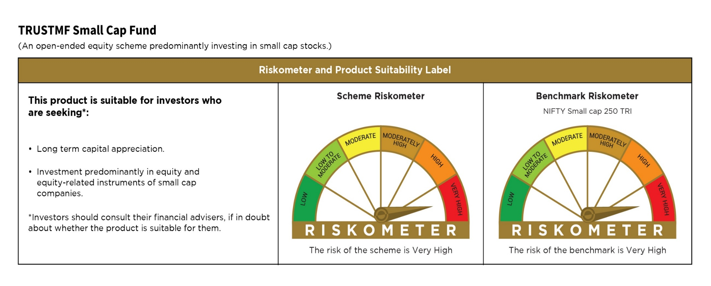
 | TMFCB
 | TRUSTMF Small Cap Fund

 | Monthly Portfolio Statement as on July 31, 2026
 | Name of the Instrument | ISIN | Industry | Quantity | Market/Fair Value (Rs. in Lakhs) | % to Net Assets | Yield to Maturity (YTM) | Yield to Call (YTC) | Notes & Symbols
 | Equity & Equity related
 | (a) Listed / awaiting listing on Stock Exchanges
LAUR02 | Laurus Labs Limited | INE947Q01028 | Pharmaceuticals & Biotechnology | 427,970 | 7,772.79 | 2.72%
KAVY06 | Karur Vysya Bank Limited | INE036D01028 | Banks | 2,189,177 | 7,496.84 | 2.62%
SANE01 | Sansera Engineering Limited | INE953O01021 | Auto Components | 199,925 | 6,691.29 | 2.34%
NITL02 | Coforge Limited | INE591G01025 | IT - Software | 355,794 | 6,123.21 | 2.14%
FEBA02 | The Federal Bank Limited | INE171A01029 | Banks | 1,705,441 | 6,119.98 | 2.14%
SHAD01 | Shadowfax Technologies Limited | INE12UN01015 | Transport Services | 2,427,000 | 5,895.18 | 2.06%
LENS01 | Lenskart Solutions Limited | INE956O01016 | Retailing | 1,037,433 | 5,824.15 | 2.04%
CUBI02 | City Union Bank Limited | INE491A01021 | Banks | 2,617,132 | 5,404.38 | 1.89%
GIND02 | Gabriel India Limited | INE524A01029 | Auto Components | 368,073 | 5,306.88 | 1.86%
MCEX02 | Multi Commodity Exchange of India Limited | INE745G01043 | Capital Markets | 196,104 | 5,279.51 | 1.85%
RAKH02 | Radico Khaitan Limited | INE944F01028 | Beverages | 120,234 | 5,219.12 | 1.82%
CRAF01 | Craftsman Automation Limited | INE00LO01017 | Auto Components | 50,691 | 5,004.98 | 1.75%
KENI01 | Kirloskar Oil Engines Limited | INE146L01010 | Industrial Products | 223,888 | 4,902.70 | 1.71%
SKGO01 | Sky Gold And Diamonds Limited | INE01IU01018 | Consumer Durables | 757,376 | 4,875.23 | 1.70%
SYRM01 | Syrma SGS Technology Limited | INE0DYJ01015 | Industrial Manufacturing | 338,853 | 4,631.44 | 1.62%
SAPH01 | Sai Life Sciences Limited | INE570L01029 | Pharmaceuticals & Biotechnology | 347,720 | 4,572.87 | 1.60%
ADHL01 | Aster DM Quality Care Limited | INE914M01019 | Healthcare Services | 549,972 | 4,521.59 | 1.58%
RRKL01 | R R Kabel Limited | INE777K01022 | Industrial Products | 170,473 | 4,437.07 | 1.55%
SJSE01 | S.J.S. Enterprises Limited | INE284S01014 | Auto Components | 184,832 | 4,420.63 | 1.55%
WGSR02 | Welspun Corp Limited | INE191B01025 | Industrial Products | 266,479 | 4,398.50 | 1.54%
HONA01 | Honasa Consumer Limited | INE0J5401028 | Personal Products | 970,277 | 4,361.88 | 1.53%
AENP01 | Ather Energy Limited | INE0LEZ01016 | Automobiles | 341,090 | 4,298.76 | 1.50%
PHFP02 | PNB Housing Finance Limited | INE572E01012 | Finance | 407,525 | 4,291.65 | 1.50%
SHEP02 | Shaily Engineering Plastics Limited | INE151G01028 | Consumer Durables | 139,051 | 4,256.91 | 1.49%
SHPI01 | SPR Auto Technologies Ltd | INE526E01018 | Auto Components | 95,280 | 4,187.75 | 1.46%
RCAM01 | Nippon Life India Asset Management Limited | INE298J01013 | Capital Markets | 358,209 | 4,160.24 | 1.45%
PRRC03 | Navin Fluorine International Limited | INE048G01026 | Chemicals & Petrochemicals | 53,468 | 4,046.19 | 1.41%
RATN01 | RBL Bank Limited | INE976G01028 | Banks | 1,075,464 | 4,038.37 | 1.41%
PHWL01 | PhysicsWallah Limited | INE0LP301011 | Other Consumer Services | 3,230,189 | 4,034.18 | 1.41%
CEES01 | Clean Max Enviro Energy Solutions Limited | INE647U01026 | Power | 300,317 | 4,011.03 | 1.40%
SENO01 | Senores Pharmaceuticals Limited | INE0RB801010 | Pharmaceuticals & Biotechnology | 303,352 | 3,960.87 | 1.39%
ADTH01 | Aditya Infotech Limited | INE819V01029 | Industrial Manufacturing | 116,222 | 3,941.09 | 1.38%
DIXO02 | Dixon Technologies (India) Limited | INE935N01020 | Consumer Durables | 27,881 | 3,917.00 | 1.37%
ARVI01 | Arvind Limited | INE034A01011 | Textiles & Apparels | 761,531 | 3,908.18 | 1.37%
USFB01 | Ujjivan Small Finance Bank Limited | INE551W01018 | Banks | 5,312,957 | 3,812.05 | 1.33%
GRAN02 | Granules India Limited | INE101D01020 | Pharmaceuticals & Biotechnology | 461,572 | 3,806.35 | 1.33%
ABFS01 | Aditya Birla Capital Limited | INE674K01013 | Finance | 926,936 | 3,747.60 | 1.31%
SONB01 | Sona BLW Precision Forgings Limited | INE073K01018 | Auto Components | 479,424 | 3,688.69 | 1.29%
INOI01 | Inox India Limited | INE616N01034 | Industrial Products | 192,709 | 3,676.89 | 1.29%
SSNL02 | Delhivery Limited | INE148O01028 | Transport Services | 752,484 | 3,626.60 | 1.27%
HKFIN01 | Privi Speciality Chemicals Limited | INE959A01019 | Chemicals & Petrochemicals | 97,794 | 3,537.31 | 1.24%
BBGV02 | Billionbrains Garage Ventures Ltd | INE0HOQ01053 | Capital Markets | 1,817,253 | 3,532.19 | 1.24%
SCIL02 | Cemindia Projects Ltd | INE686A01026 | Construction | 253,209 | 3,463.39 | 1.21%
AMBE01 | Amber Enterprises India Limited | INE371P01015 | Consumer Durables | 46,287 | 3,443.98 | 1.20%
AEIL02 | Aeroflex Industries Limited | INE024001021 | Industrial Products | 788,364 | 3,432.93 | 1.20%
CART01 | Cartrade Tech Limited | INE290S01011 | Retailing | 125,112 | 3,402.55 | 1.19%
SOEL02 | Solar Industries India Limited | INE343H01029 | Chemicals & Petrochemicals | 18,050 | 3,319.58 | 1.16%
LTFL01 | L&T Finance Limited | INE498L01015 | Finance | 1,047,031 | 3,258.88 | 1.14%
NELA01 | Neuland Laboratories Limited | INE794A01010 | Pharmaceuticals & Biotechnology | 17,094 | 3,255.21 | 1.14%
ICON01 | Firstsource Solutions Limited | INE684F01012 | Commercial Services & Supplies | 1,070,129 | 3,233.07 | 1.13%
ARWL01 | Anand Rathi Wealth Limited | INE463V01026 | Capital Markets | 152,977 | 3,172.28 | 1.11%
VATE03 | VA Tech Wabag Limited | INE956G01038 | Other Utilities | 158,306 | 3,130.03 | 1.09%
MNGF02 | Manappuram Finance Limited | INE522D01027 | Finance | 833,767 | 3,100.36 | 1.08%
RURE01 | Rubicon Research Limited | INE506V01022 | Pharmaceuticals & Biotechnology | 207,308 | 3,090.96 | 1.08%
LETT01 | Le Travenues Technology Ltd | INE0HV901016 | Leisure Services | 1,542,296 | 3,047.89 | 1.07%
PFPL01 | Piramal Finance Limited | INE202B01038 | Finance | 146,380 | 3,008.84 | 1.05%
WIML01 | Wework India Management Limited | INE085001019 | Commercial Services & Supplies | 372,915 | 2,772.62 | 0.97%
AMIO02 | Acutaas Chemicals Limited | INE00FF01025 | Pharmaceuticals & Biotechnology | 85,755 | 2,662.61 | 0.93%
BJLP02 | Bluestone Jewellery and Lifestyle Limited | INE304W01038 | Consumer Durables | 322,608 | 2,633.13 | 0.92%
AVAT01 | Avalon Technologies Limited | INE0LCL01028 | Electrical Equipment | 138,922 | 2,511.57 | 0.88%
DPIL01 | Data Patterns (India) Limited | INE0IX101010 | Aerospace & Defense | 58,642 | 2,510.46 | 0.88%
KIMS02 | Krishna Institute Of Medical Sciences Limited | INE967H01025 | Healthcare Services | 304,968 | 2,454.08 | 0.86%
DEFE01 | Deepak Fertilizers and Petrochemicals Corporation Limited | INE501A01019 | Chemicals & Petrochemicals | 153,475 | 2,383.16 | 0.83%
PADS02 | Paras Defence and Space Technologies Limited | INE045601023 | Aerospace & Defense | 181,751 | 2,283.70 | 0.80%
ZENT02 | Zen Technologies Limited | INE251B01027 | Aerospace & Defense | 138,357 | 2,247.19 | 0.79%
CPIL02 | CCL Products (India) Limited | INE421D01022 | Agricultural Food & other Products | 182,888 | 2,112.91 | 0.74%
ECLE01 | eClerx Services Limited | INE738I01010 | Commercial Services & Supplies | 110,435 | 2,038.08 | 0.71%
THAN01 | Thangamayil Jewellery Limited | INE085J01014 | Consumer Durables | 38,491 | 2,011.73 | 0.70%
DICA03 | Diamond Power Infra Limited | INE989C01038 | Electrical Equipment | 506,550 | 1,641.07 | 0.57%
PAPH01 | Paradeep Phosphates Limited | INE088F01024 | Fertilizers & Agrochemicals | 1,078,343 | 1,588.72 | 0.56%
GNGE01 | GNG Electronics Ltd | INE18JU01028 | IT - Hardware | 226,547 | 1,197.64 | 0.42%
MTAR01 | MTAR Technologies Limited | INE864I01014 | Electrical Equipment | 16,689 | 955.61 | 0.33%
 | Sub Total |  |  |  | 275,104.35 | 96.19%
 | (b) Unlisted |  |  |  | NIL | NIL
 | Sub Total |  |  |  | NIL | NIL
 | Total |  |  |  | 275,104.35 | 96.19%
 | Debt Instruments

 | a) Listed/awaiting listing on the stock exchanges |  |  |  | NIL | NIL

 | b) Privately Placed/Unlisted |  |  |  | NIL | NIL

 | c) Securitised Debt Instruments |  |  |  | NIL | NIL

 | Total |  |  |  | NIL | NIL
 | Money Market Instruments |  |  |  | NIL | NIL

 | a) Commercial Paper |  |  |  | NIL | NIL

 | b) Certificate of Deposits |  |  |  | NIL | NIL

 | c) Treasury Bills |  |  |  | NIL | NIL

 | d) Bills Re-Discounting |  |  |  | NIL | NIL

 | Total |  |  |  | NIL | NIL
 | Others |  |  |  | NIL | NIL

 | a) Mutual Fund Units / Exchange Traded Funds |  |  |  | NIL | NIL

 | b) Gold |  |  |  | NIL | NIL

 | c) Short Term Deposits |  |  |  | NIL | NIL

 | d) Term Deposits Placed as Margins |  |  |  | NIL | NIL

 | Total |  |  |  | NIL | NIL
 | CBLO / Reverse Repo / TREPS
TRP_030826 | TREPS 03-Aug-2026 |  |  |  | 9,244.05 | 3.23%
 | Sub Total |  |  |  | 9,244.05 | 3.23%
 | Total |  |  |  | 9,244.05 | 3.23%
 | Net Receivables / (Payables) |  |  |  | 1,633.54 | 0.58%
 | GRAND TOTAL |  |  |  | 285,981.94 | 100.00%

 | Notes :
 | 1) The provision made for investment in security below investment grade As on July 31, 2026 is Rs Nil and its percentage to Net Asset Value is Nil.
 | 2) Net Assets Value per unit (in Rs) are as follows :
 | Plan/Option |  |  |  | As on July 31, 2026 |  | As on June 30, 2026
 | Direct Plan - Dividend Option |  |  |  | 13.19 |  | 13.09
 | Direct Plan - Growth Option |  |  |  | 13.19 |  | 13.08
 | Regular Plan - Dividend Option |  |  |  | 12.81 |  | 12.72
 | Regular Plan - Growth Option |  |  |  | 12.81 |  | 12.72

 | 3) Details of Dividend declared per unit (in Rs.) as on July 31,2026 is Nil
 | 4) No Bonus declared as on July 31,2026
 | 5) Total outstanding exposure in derivative instruments As on July 31, 2026 : Nil.
 | 6) Total investments in Foreign Securities / Overseas ETFs as at July 31, 2026 and its percentage to NAV : Nil.
 | 7) Details of repo transactions in corporate debt securities as on July 31,2026: Nil.
 | 8) Details of transactions of (Credit Default Swap) for the month ended July 31, 2026 : Nil.
 | 9) Portfolio Turnover Ratio : 1.99
 | 10) Reverse Repo market value is considered as book cost plus accrued Interest.
 | 11) Whether any security is in default beyond its maturity date: Nil
 | 12) Whether during the period any investment is made in derivative instruments: Nil
 | 13) Instances of Fair valuation of securities or Deviation in valuation from what is provided by valuation agencies: Nil
 | 14) Any deviation from the mandated assets allocation - Nil
 | 15) Deviation from the valuation prices given by valuation agencies during the relevant period: Nil
 | 16) For other details please refer to our website - www.trustmf.com

 | Notes & Symbols :-
 | # -> Less Than 0.005% ; A** -> awaiting Listing on Stock Exchanges ; T** -> Thinly Traded Securities ; N** -> Non Traded Securities ; I** -> Illiquid Shares ; R** -> Rights Entitlement ; P** Preference Shares ; W** Warrants
 | 1. Non Convertible Debentures and Bonds are considered as Traded based on information provided by external agencies.
 | 2. ^ The Name of the Industry is in accordance with Industry Classification as recommended by AMFI.
 | 3. All corporate ratings are assigned by rating agencies like CRISIL; CARE; ICRA; IND; BRW.
 | 4. & For Short-term, Fixed and Margin Deposits, the yield populated is Coupon Rate
 | 5. In Line with AMFI Best Practices Guidelines Circular No. AMFI/ 35P/ MEM-COR/ 72 / 2022-23 dated December 31, 2022 on Standard format for disclosure Portfolio YTM for Debt Schemes, yield of the instruments is disclosed on annualized basis as provided by Valuation agencies.

TMFMCAP
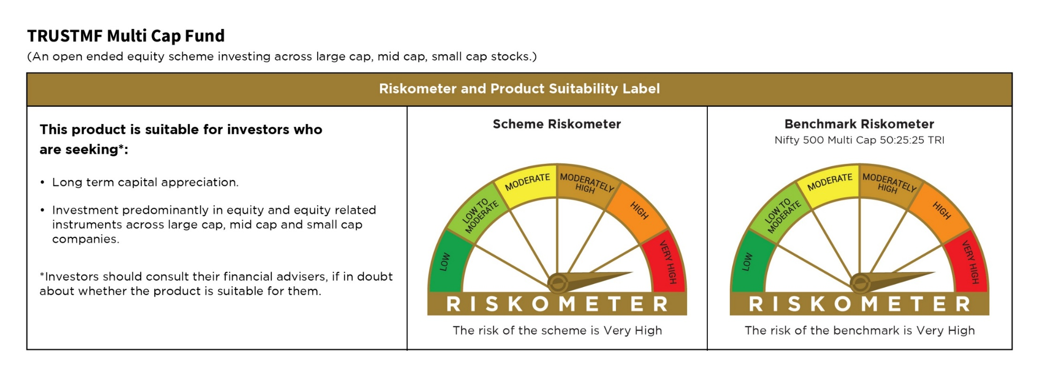
 | TMFCB
 | TRUSTMF Multi Cap Fund

 | Monthly Portfolio Statement as on July 31, 2026
 | Name of the Instrument | ISIN | Industry | Quantity | Market/Fair Value (Rs. in Lakhs) | % to Net Assets | Yield to Maturity (YTM) | Yield to Call (YTC) | Notes & Symbols
 | Equity & Equity related
 | (a) Listed / awaiting listing on Stock Exchanges
IBCL05 | ICICI Bank Limited | INE090A01021 | Banks | 240,114 | 3,446.60 | 5.06%
NITL02 | Coforge Limited | INE591G01025 | IT - Software | 102,733 | 1,768.03 | 2.60%
BAFL03 | Bajaj Finance Limited | INE296A01032 | Finance | 150,155 | 1,713.57 | 2.52%
SHTR02 | Shriram Finance Limited | INE721A01047 | Finance | 163,161 | 1,707.81 | 2.51%
TWAT02 | Titan Company Limited | INE280A01028 | Consumer Durables | 32,073 | 1,563.62 | 2.30%
LENS01 | Lenskart Solutions Limited | INE956O01016 | Retailing | 278,329 | 1,562.54 | 2.29%
FSNE01 | FSN E-Commerce Ventures Limited | INE388Y01029 | Retailing | 457,846 | 1,526.46 | 2.24%
FEBA02 | The Federal Bank Limited | INE171A01029 | Banks | 384,098 | 1,378.34 | 2.02%
LAUR02 | Laurus Labs Limited | INE947Q01028 | Pharmaceuticals & Biotechnology | 74,393 | 1,351.13 | 1.98%
DIXO02 | Dixon Technologies (India) Limited | INE935N01020 | Consumer Durables | 9,572 | 1,344.77 | 1.97%
SANE01 | Sansera Engineering Limited | INE953O01021 | Auto Components | 39,679 | 1,328.02 | 1.95%
SAEL02 | TVS Motor Company Limited | INE494B01023 | Automobiles | 30,458 | 1,313.68 | 1.93%
LTFL01 | L&T Finance Limited | INE498L01015 | Finance | 411,757 | 1,281.59 | 1.88%
RCAM01 | Nippon Life India Asset Management Limited | INE298J01013 | Capital Markets | 107,264 | 1,245.76 | 1.83%
BTVL02 | Bharti Airtel Limited | INE397D01024 | Telecom - Services | 59,165 | 1,166.73 | 1.71%
PSYL02 | Persistent Systems Limited | INE262H01021 | IT - Software | 20,922 | 1,160.96 | 1.70%
BHFO02 | Bharat Forge Limited | INE465A01025 | Auto Components | 51,981 | 1,143.48 | 1.68%
RAKH02 | Radico Khaitan Limited | INE944F01028 | Beverages | 25,056 | 1,087.63 | 1.60%
HONA01 | Honasa Consumer Limited | INE0J5401028 | Personal Products | 229,007 | 1,029.50 | 1.51%
SHEP02 | Shaily Engineering Plastics Limited | INE151G01028 | Consumer Durables | 33,558 | 1,027.34 | 1.51%
NELA01 | Neuland Laboratories Limited | INE794A01010 | Pharmaceuticals & Biotechnology | 5,304 | 1,010.04 | 1.48%
BBGV02 | Billionbrains Garage Ventures Ltd | INE0HOQ01053 | Capital Markets | 511,193 | 993.61 | 1.46%
KAVY06 | Karur Vysya Bank Limited | INE036D01028 | Banks | 290,035 | 993.22 | 1.46%
AFPL02 | AU Small Finance Bank Limited | INE949L01017 | Banks | 94,171 | 986.25 | 1.45%
SBAI02 | State Bank of India | INE062A01020 | Banks | 94,937 | 975.38 | 1.43%
CHOL02 | Cholamandalam Investment and Finance Company Ltd | INE121A01024 | Finance | 52,368 | 968.76 | 1.42%
SOEL02 | Solar Industries India Limited | INE343H01029 | Chemicals & Petrochemicals | 5,256 | 966.63 | 1.42%
ONCO02 | One 97 Communications Limited | INE982J01020 | Financial Technology (Fintech) | 71,158 | 955.65 | 1.40%
MCEX02 | Multi Commodity Exchange of India Limited | INE745G01043 | Capital Markets | 35,150 | 946.31 | 1.39%
ABFS01 | Aditya Birla Capital Limited | INE674K01013 | Finance | 230,908 | 933.56 | 1.37%
DIVI02 | Divi's Laboratories Limited | INE361B01024 | Pharmaceuticals & Biotechnology | 11,553 | 930.71 | 1.37%
KALJ01 | Kalyan Jewellers India Limited | INE303R01014 | Consumer Durables | 151,034 | 925.23 | 1.36%
SEDE01 | Sedemac Mechatronics Limited | INE00XB01019 | Auto Components | 33,619 | 902.47 | 1.33%
SJSE01 | S.J.S. Enterprises Limited | INE284S01014 | Auto Components | 37,566 | 898.47 | 1.32%
RRKL01 | R R Kabel Limited | INE777K01022 | Industrial Products | 33,792 | 879.54 | 1.29%
IEIN02 | Info Edge (India) Limited | INE663F01032 | Retailing | 70,507 | 864.59 | 1.27%
KENI01 | Kirloskar Oil Engines Limited | INE146L01010 | Industrial Products | 39,332 | 861.29 | 1.26%
WGSR02 | Welspun Corp Limited | INE191B01025 | Industrial Products | 52,153 | 860.84 | 1.26%
ABBP01 | Hitachi Energy India Limited | INE07Y701011 | Electrical Equipment | 2,628 | 845.56 | 1.24%
AEIL02 | Aeroflex Industries Limited | INE024001021 | Industrial Products | 187,770 | 817.64 | 1.20%
EIML02 | Eicher Motors Limited | INE066A01021 | Automobiles | 10,398 | 814.53 | 1.20%
CEES01 | Clean Max Enviro Energy Solutions Limited | INE647U01026 | Power | 60,400 | 806.70 | 1.18%
AENP01 | Ather Energy Limited | INE0LEZ01016 | Automobiles | 62,382 | 786.20 | 1.15%
MACR01 | Lodha Developers Limited | INE670K01029 | Realty | 62,896 | 782.39 | 1.15%
CUBI02 | City Union Bank Limited | INE491A01021 | Banks | 374,785 | 773.93 | 1.14%
POCA01 | Polycab India Limited | INE455K01017 | Industrial Products | 8,479 | 772.14 | 1.13%
MAHI02 | Mahindra & Mahindra Limited | INE101A01026 | Automobiles | 22,588 | 767.65 | 1.13%
BHAH02 | Bharat Heavy Electricals Limited | INE257A01026 | Electrical Equipment | 178,576 | 726.80 | 1.07%
FRHL01 | Fortis Healthcare Limited | INE061F01013 | Healthcare Services | 75,586 | 714.29 | 1.05%
TEMA02 | Tech Mahindra Limited | INE669C01036 | IT - Software | 43,066 | 711.15 | 1.04%
INCA01 | Innova Captab Limited | INE0DUT01020 | Pharmaceuticals & Biotechnology | 72,685 | 708.13 | 1.04%
PADS02 | Paras Defence and Space Technologies Limited | INE045601023 | Aerospace & Defense | 56,004 | 703.69 | 1.03%
PRRC03 | Navin Fluorine International Limited | INE048G01026 | Chemicals & Petrochemicals | 9,230 | 698.48 | 1.03%
ZMPL01 | Eternal Limited | INE758T01015 | Retailing | 228,851 | 692.16 | 1.02%
AVAT01 | Avalon Technologies Limited | INE0LCL01028 | Electrical Equipment | 37,073 | 670.24 | 0.98%
MUFL01 | Muthoot Finance Limited | INE414G01012 | Finance | 21,140 | 659.48 | 0.97%
KNPL01 | Knack Packaging Limited | INE17QZ01016 | Industrial Products | 337,717 | 642.17 | 0.94%
MINC01 | Minda Corporation Limited | INE842C01021 | Auto Components | 90,427 | 633.85 | 0.93%
AUPH03 | Aurobindo Pharma Limited | INE406A01037 | Pharmaceuticals & Biotechnology | 39,722 | 627.69 | 0.92%
SENO01 | Senores Pharmaceuticals Limited | INE0RB801010 | Pharmaceuticals & Biotechnology | 46,745 | 610.35 | 0.90%
ZENT02 | Zen Technologies Limited | INE251B01027 | Aerospace & Defense | 37,449 | 608.25 | 0.89%
ALLI02 | GE Vernova T&D India Limited | INE200A01026 | Electrical Equipment | 12,013 | 519.36 | 0.76%
BSEL02 | BSE Limited | INE118H01025 | Capital Markets | 13,288 | 484.51 | 0.71%
IDEF01 | Ideaforge Technology Limited | INE349Y01013 | Aerospace & Defense | 50,314 | 440.30 | 0.65%
DICA03 | Diamond Power Infra Limited | INE989C01038 | Electrical Equipment | 119,831 | 388.22 | 0.57%
PAPH01 | Paradeep Phosphates Limited | INE088F01024 | Fertilizers & Agrochemicals | 256,111 | 377.33 | 0.55%
GNGE01 | GNG Electronics Ltd | INE18JU01028 | IT - Hardware | 59,260 | 313.28 | 0.46%
PHWL01 | PhysicsWallah Limited | INE0LP301011 | Other Consumer Services | 226,714 | 283.14 | 0.42%
MTAR01 | MTAR Technologies Limited | INE864I01014 | Electrical Equipment | 3,173 | 181.69 | 0.27%
SAEL21PS | TVS Motor Company Limited (Preference Share) | INE494B04019 | Automobiles | 49,980 | 5.22 | 0.01%
 | Sub Total |  |  |  | 65,566.63 | 96.26%
 | (b) Unlisted |  |  |  | NIL | NIL
 | Sub Total |  |  |  | NIL | NIL
 | Total |  |  |  | 65,566.63 | 96.26%
 | Debt Instruments

 | a) Listed/awaiting listing on the stock exchanges |  |  |  | NIL | NIL

 | b) Privately Placed/Unlisted |  |  |  | NIL | NIL

 | c) Securitised Debt Instruments |  |  |  | NIL | NIL

 | Total |  |  |  | NIL | NIL
 | Money Market Instruments |  |  |  | NIL | NIL

 | a) Commercial Paper |  |  |  | NIL | NIL

 | b) Certificate of Deposits |  |  |  | NIL | NIL

 | c) Treasury Bills |  |  |  | NIL | NIL

 | d) Bills Re-Discounting |  |  |  | NIL | NIL

 | Total |  |  |  | NIL | NIL
 | Others |  |  |  | NIL | NIL

 | a) Mutual Fund Units / Exchange Traded Funds |  |  |  | NIL | NIL

 | b) Gold |  |  |  | NIL | NIL

 | c) Short Term Deposits |  |  |  | NIL | NIL

 | d) Term Deposits Placed as Margins |  |  |  | NIL | NIL

 | Total |  |  |  | NIL | NIL
 | CBLO / Reverse Repo / TREPS
TRP_030826 | TREPS 03-Aug-2026 |  |  |  | 2,315.32 | 3.40%
 | Sub Total |  |  |  | 2,315.32 | 3.40%
 | Total |  |  |  | 2,315.32 | 3.40%
 | Net Receivables / (Payables) |  |  |  | 219.97 | 0.34%
 | GRAND TOTAL |  |  |  | 68,101.92 | 100.00%

 | Notes :
 | 1) The provision made for investment in security below investment grade As on July 31, 2026 is Rs Nil and its percentage to Net Asset Value is Nil.
 | 2) Net Assets Value per unit (in Rs) are as follows :
 | Plan/Option |  |  |  | As on July 31, 2026 |  | As on June 30, 2026
 | Direct Plan - Growth Option |  |  |  | 11.68 |  | 11.48
 | Regular Plan - Growth Option |  |  |  | 11.46 |  | 11.29

 | 3) Details of Dividend declared per unit (in Rs.) as on July 31,2026 is Nil
 | 4) No Bonus declared as on July 31,2026
 | 5) Total outstanding exposure in derivative instruments as on July 31,2026 : Nil.
 | 6) Total investments in Foreign Securities / Overseas ETFs as at July 31,2026 and its percentage to NAV : Nil.
 | 7) Details of repo transactions in corporate debt securities as on July 31,2026: Nil.
 | 8) Details of transactions of (Credit Default Swap) for month ended July 31, 2026 : Nil.
 | 9) Portfolio Turnover Ratio : 2.64
 | 10) Reverse Repo market value is considered as book cost plus accrued Interest.
 | 11) Whether any security is in default beyond its maturity date: Nil
 | 12) Whether during the period any investment is made in derivative instruments: Nil
 | 13) Instances of Fair valuation of securities or Deviation in valuation from what is provided by valuation agencies: Nil
 | 14) Any deviation from the mandated assets allocation - Nil
 | 15) Deviation from the valuation prices given by valuation agencies during the relevant period: Nil
 | 16) For other details please refer to our website - www.trustmf.com

 | Notes & Symbols :-
 | # -> Less Than 0.005% ; A** -> awaiting Listing on Stock Exchanges ; T** -> Thinly Traded Securities ; N** -> Non Traded Securities ; I** -> Illiquid Shares ; R** -> Rights Entitlement ; P** Preference Shares ; W** Warrants
 | 1. Non Convertible Debentures and Bonds are considered as Traded based on information provided by external agencies.
 | 2. ^ The Name of the Industry is in accordance with Industry Classification as recommended by AMFI.
 | 3. All corporate ratings are assigned by rating agencies like CRISIL; CARE; ICRA; IND; BRW.
 | 4. & For Short-term, Fixed and Margin Deposits, the yield populated is Coupon Rate
 | 5. In Line with AMFI Best Practices Guidelines Circular No. AMFI/ 35P/ MEM-COR/ 72 / 2022-23 dated December 31, 2022 on Standard format for disclosure Portfolio YTM for Debt Schemes, yield of the instruments is disclosed on annualized basis as provided by Valuation agencies.

TMFARB
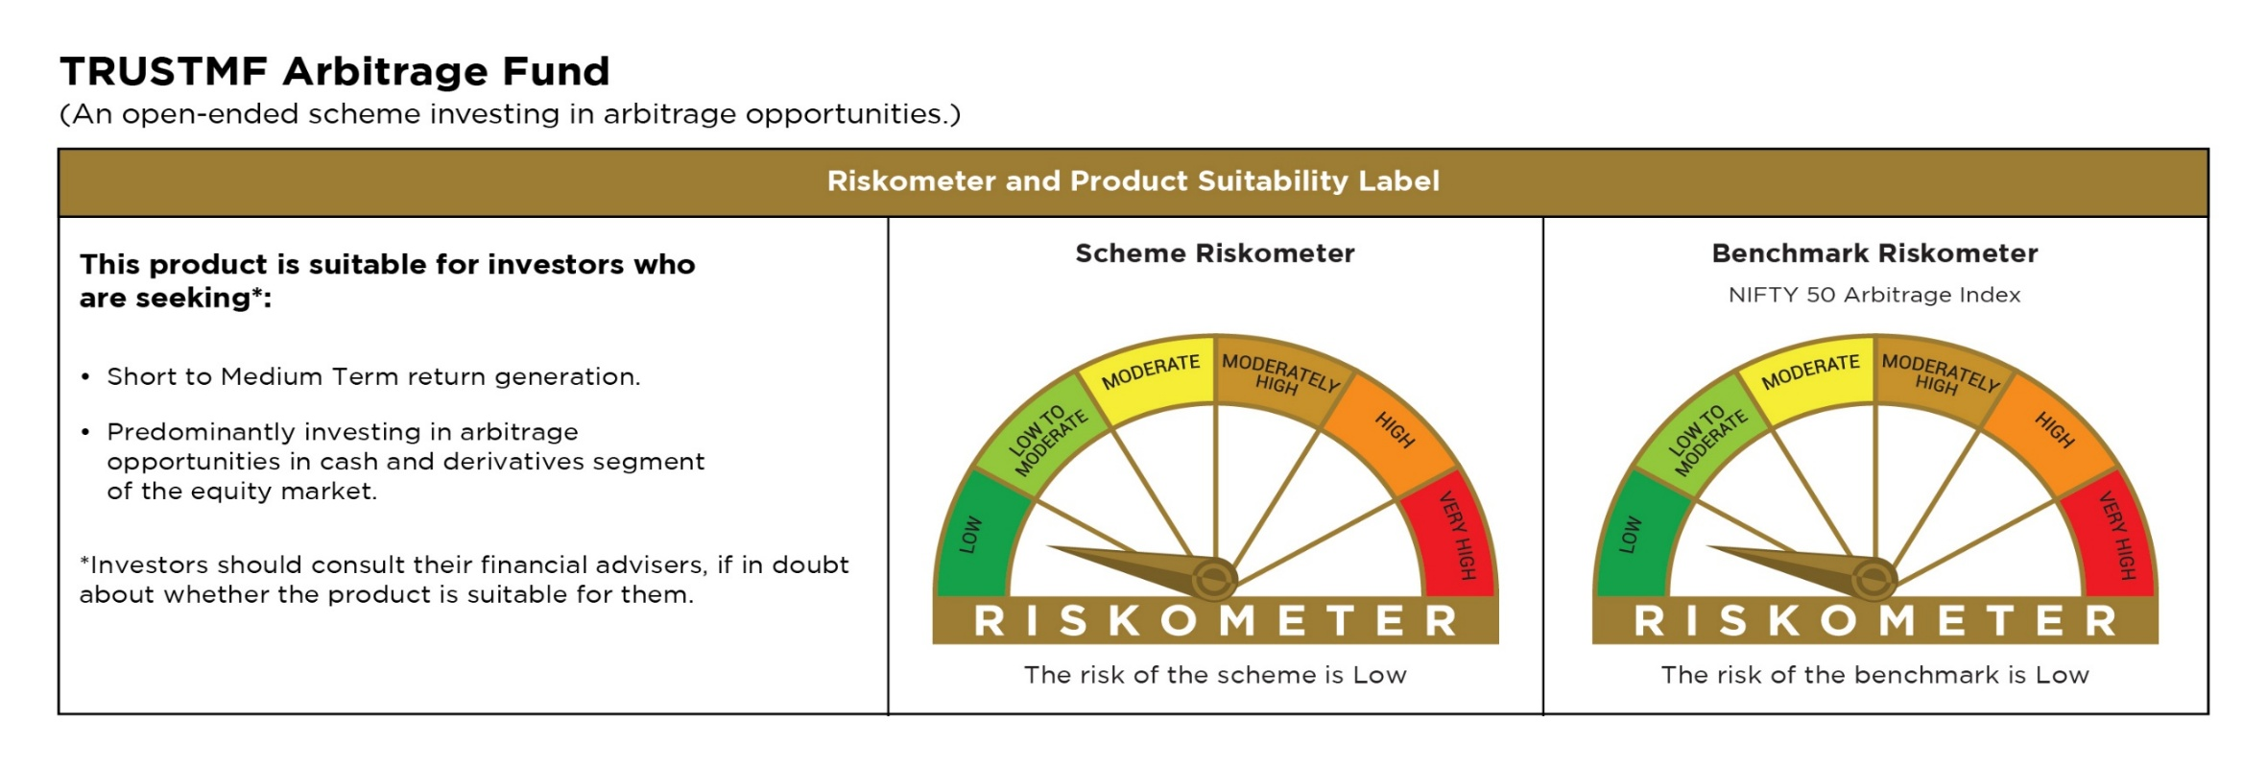
 | TMFCB
 | TRUSTMF Arbitrage Fund

 | Monthly Portfolio Statement as on July 31, 2026
 | Name of the Instrument | ISIN | Industry | Quantity | Market/Fair Value (Rs. in Lakhs) | % to Net Assets | Yield to Maturity (YTM) | Yield to Call (YTC) | Notes & Symbols
 | Equity & Equity related
 | (a) Listed / awaiting listing on Stock Exchanges
CANB02 | Canara Bank | INE476A01022 | Banks | 864,000 | 1,079.83 | 7.11%
HDFB03 | HDFC Bank Limited | INE040A01034 | Banks | 126,750 | 948.28 | 6.25%
UTIB02 | Axis Bank Limited | INE238A01034 | Banks | 63,125 | 776.12 | 5.11%
RIND01 | Reliance Industries Limited | INE002A01018 | Petroleum Products | 43,500 | 568.89 | 3.75%
KALJ01 | Kalyan Jewellers India Limited | INE303R01014 | Consumer Durables | 72,900 | 446.59 | 2.94%
MAUD01 | Maruti Suzuki India Limited | INE585B01010 | Automobiles | 2,950 | 419.90 | 2.77%
BAFL03 | Bajaj Finance Limited | INE296A01032 | Finance | 36,750 | 419.39 | 2.76%
ADAN02 | Adani Enterprises Limited | INE423A01024 | Metals & Minerals Trading | 12,978 | 390.57 | 2.57%
BINL01 | Indus Towers Limited | INE121J01017 | Telecom - Services | 93,500 | 365.68 | 2.41%
BTAT01 | Vodafone Idea Limited | INE669E01016 | Telecom - Services | 2,716,050 | 353.36 | 2.33%
ADTL01 | Adani Energy Solutions Limited | INE931S01010 | Power | 20,250 | 333.19 | 2.20%
LARS02 | Larsen & Toubro Limited | INE018A01030 | Construction | 8,050 | 317.08 | 2.09%
SAEL02 | TVS Motor Company Limited | INE494B01023 | Automobiles | 7,000 | 301.92 | 1.99%
CHOL02 | Cholamandalam Investment and Finance Company Ltd | INE121A01024 | Finance | 15,625 | 289.05 | 1.90%
IBCL05 | ICICI Bank Limited | INE090A01021 | Banks | 19,600 | 281.34 | 1.85%
EIML02 | Eicher Motors Limited | INE066A01021 | Automobiles | 3,500 | 274.17 | 1.81%
CGCE01 | Crompton Greaves Consumer Electricals Limited | INE299U01018 | Consumer Durables | 103,200 | 268.53 | 1.77%
YESB03 | Yes Bank Limited | INE528G01035 | Banks | 1,150,700 | 262.01 | 1.73%
BAND01 | Bandhan Bank Limited | INE545U01014 | Banks | 147,600 | 257.02 | 1.69%
IEEL02 | Indian Energy Exchange Limited | INE022Q01020 | Capital Markets | 191,400 | 253.11 | 1.67%
SBAI02 | State Bank of India | INE062A01020 | Banks | 21,750 | 223.46 | 1.47%
PUBA02 | Punjab National Bank | INE160A01022 | Banks | 160,000 | 180.34 | 1.19%
IEIN02 | Info Edge (India) Limited | INE663F01032 | Retailing | 13,750 | 168.61 | 1.11%
KOMA03 | Kotak Mahindra Bank Limited | INE237A01036 | Banks | 42,000 | 163.93 | 1.08%
ITCL02 | ITC Limited | INE154A01025 | Diversified FMCG | 53,475 | 150.26 | 0.99%
GUAM02 | Ambuja Cements Limited | INE079A01024 | Cement & Cement Products | 33,600 | 145.22 | 0.96%
IHOT02 | The Indian Hotels Company Limited | INE053A01029 | Leisure Services | 18,000 | 132.94 | 0.88%
ULCC01 | UltraTech Cement Limited | INE481G01011 | Cement & Cement Products | 1,050 | 124.98 | 0.82%
IDBK01 | IDFC First Bank Limited | INE092T01019 | Banks | 139,125 | 117.81 | 0.78%
HINI02 | Hindalco Industries Limited | INE038A01020 | Non - Ferrous Metals | 11,900 | 115.96 | 0.76%
NEST02 | Nestle India Limited | INE239A01024 | Food Products | 7,500 | 113.22 | 0.75%
...
 | Notes & Symbols :-
 | # -> Less Than 0.005% ; A** -> awaiting Listing on Stock Exchanges ; T** -> Thinly Traded Securities ; N** -> Non Traded Securities ; I** -> Illiquid Shares ; R** -> Rights Entitlement ; P** Preference Shares ; W** Warrants
 | 1. Non Convertible Debentures and Bonds are considered as Traded based on information provided by external agencies.
 | 2. ^ The Name of the Industry is in accordance with Industry Classification as recommended by AMFI.
 | 3. All corporate ratings are assigned by rating agencies like CRISIL; CARE; ICRA; IND; BRW.
 | 4. & For Short-term, Fixed and Margin Deposits, the yield populated is Coupon Rate
 | 5. In Line with AMFI Best Practices Guidelines Circular No. AMFI/ 35P/ MEM-COR/ 72 / 2022-23 dated December 31, 2022 on Standard format for disclosure Portfolio YTM for Debt Schemes, yield of the instruments is disclosed on annualized basis as provided by Valuation agencies.

TMFMID

...
Notes & Symbols :-
# -> Less Than 0.005% ; A** -> awaiting Listing on Stock Exchanges ; T** -> Thinly Traded Securities ; N** -> Non Traded Securities ; I** -> Illiquid Shares ; R** -> Rights Entitlement ; P** Preference Shares ; W** Warrants
1. Non Convertible Debentures and Bonds are considered as Traded based on information provided by external agencies.
2. ^ The Name of the Industry is in accordance with Industry Classification as recommended by AMFI.
3. All corporate ratings are assigned by rating agencies like CRISIL; CARE; ICRA; IND; BRW.
4. & For Short-term, Fixed and Margin Deposits, the yield populated is Coupon Rate
5. In Line with AMFI Best Practices Guidelines Circular No. AMFI/ 35P/ MEM-COR/ 72 / 2022-23 dated December 31, 2022 on Standard format for disclosure Portfolio YTM for Debt Schemes, yield of the instruments is disclosed on annualized basis as provided by Valuation agencies.

TMFLRMCF
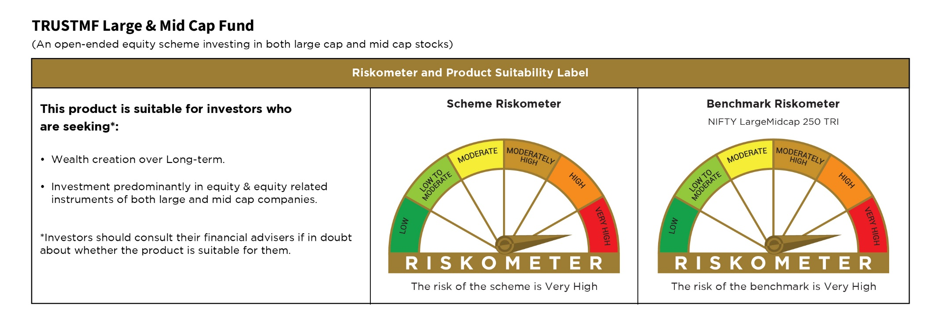
...
Notes & Symbols :-
# -> Less Than 0.005% ; A** -> awaiting Listing on Stock Exchanges ; T** -> Thinly Traded Securities ; N** -> Non Traded Securities ; I** -> Illiquid Shares ; R** -> Rights Entitlement ; P** Preference Shares ; W** Warrants
1. Non Convertible Debentures and Bonds are considered as Traded based on information provided by external agencies.
2. ^ The Name of the Industry is in accordance with Industry Classification as recommended by AMFI.
3. All corporate ratings are assigned by rating agencies like CRISIL; CARE; ICRA; IND; BRW.
4. & For Short-term, Fixed and Margin Deposits, the yield populated is Coupon Rate
5. In Line with AMFI Best Practices Guidelines Circular No. AMFI/ 35P/ MEM-COR/ 72 / 2022-23 dated December 31, 2022 on Standard format for disclosure Portfolio YTM for Debt Schemes, yield of the instruments is disclosed on annualized basis as provided by Valuation agencies.

