TMFLIQ
TMFLIQ
 | TRUSTMF Liquid Fund

 | Monthly Portfolio Statement as on April 30, 2026
 | Name of the Instrument | ISIN | Rating | Quantity | Market/Fair Value (Rs. in Lakhs) | % to Net Assets | Yield to Maturity (YTM) | Yield to Call (YTC) | Notes & Symbols
 | Equity & Equity related |  |  |  | NIL | NIL

 | a) Listed/awaiting listing on Stock Exchanges |  |  |  | NIL | NIL

 | b) Unlisted |  |  |  | NIL | NIL

 | c) Foreign Securities and /or overseas ETF |  |  |  | NIL | NIL

 | Total |  |  |  | NIL | NIL
 | Debt Instruments
 | (a) Listed / awaiting listing on Stock Exchange
 | Non Convertible Debentures
RECL439 | 7.64% REC Limited (30/06/2026) | INE020B08EM0 | CRISIL AAA | 2,500,000 | 2,502.73 | 2.80% | 6.55% |  | N**
 | Sub Total |  |  |  | 2,502.73 | 2.80%
 | (b) Privately placed / Unlisted |  |  |  | NIL | NIL
 | Sub Total |  |  |  | NIL | NIL
 | (c) Securitised Debt Instruments |  |  |  | NIL | NIL
 | Sub Total |  |  |  | NIL | NIL
 | Total |  |  |  | 2,502.73 | 2.80%
 | Money Market Instruments
 | Certificate of Deposit
HDFB1006 | HDFC Bank Limited (24/06/2026) | INE040A16HB9 | CRISIL A1+ | 7,500,000 | 7,431.56 | 8.32% | 6.23% |  | N**
INBK531 | Indian Bank (16/07/2026) | INE562A16QW9 | CRISIL A1+ | 5,000,000 | 4,933.74 | 5.52% | 6.45% |  | N**
INBK525 | Indian Bank (03/06/2026) | INE562A16QQ1 | CRISIL A1+ | 2,500,000 | 2,486.02 | 2.78% | 6.22% |  | N**
HDFB1042 | HDFC Bank Limited (05/06/2026) | INE040A16IS1 | CARE A1+ | 2,500,000 | 2,485.17 | 2.78% | 6.22% |  | N**
UTIB1358 | Axis Bank Limited (12/06/2026) | INE238AD6AU5 | CRISIL A1+ | 2,500,000 | 2,481.95 | 2.78% | 6.32%
BKBA563 | Bank of Baroda (15/06/2026) | INE028A16JU0 | IND A1+ | 2,500,000 | 2,481.02 | 2.78% | 6.21%
CANB1101 | Canara Bank (22/06/2026) | INE476A16G85 | CRISIL A1+ | 2,500,000 | 2,478.08 | 2.78% | 6.21% |  | N**
UNBI480 | Union Bank of India (23/06/2026) | INE692A16LO2 | ICRA A1+ | 2,500,000 | 2,477.66 | 2.77% | 6.21% |  | N**
PUBA1159 | Punjab National Bank (23/06/2026) | INE160A16UZ7 | CRISIL A1+ | 2,500,000 | 2,477.64 | 2.77% | 6.21% |  | N**
UNBI444 | Union Bank of India (25/06/2026) | INE692A16JQ1 | ICRA A1+ | 2,500,000 | 2,476.82 | 2.77% | 6.21% |  | N**
 | Sub Total |  |  |  | 32,209.66 | 36.05%
 | Commercial Paper
POWF564 | Power Finance Corporation Limited (25/06/2026) | INE134E14AY4 | CRISIL A1+ | 5,000,000 | 4,952.98 | 5.55% | 6.30% |  | N**
HDFS352 | HDFC Securities Limited (24/06/2026) | INE700G14TA7 | CARE A1+ | 5,000,000 | 4,951.04 | 5.54% | 6.68% |  | N**
BAFS127 | Bajaj Financial Securities Limited (08/07/2026) | INE01C314EZ4 | CRISIL A1+ | 5,000,000 | 4,934.77 | 5.53% | 7.10% |  | N**
MFPL246 | Infina Finance Private Limited (23/07/2026) | INE879F14MW0 | ICRA A1+ | 5,000,000 | 4,919.02 | 5.51% | 7.24% |  | N**
SIDB661 | Small Industries Dev Bank of India (05/06/2026) | INE556F14MD4 | CRISIL A1+ | 2,500,000 | 2,484.99 | 2.78% | 6.30% |  | N**
NBAR889 | National Bank For Agriculture and Rural Development (09/06/2026) | INE261F14OX5 | CRISIL A1+ | 2,500,000 | 2,483.42 | 2.78% | 6.25% |  | N**
EXIM821 | Export Import Bank of India (10/06/2026) | INE514E14TH2 | CRISIL A1+ | 2,500,000 | 2,482.99 | 2.78% | 6.25%
TCHF440 | Tata Capital Housing Finance Limited (13/07/2026) | INE033L14OU2 | CRISIL A1+ | 2,500,000 | 2,467.58 | 2.76% | 6.57% |  | N**
ADBM175 | Aditya Birla Money Limited (10/07/2026) | INE865C14PX7 | CRISIL A1+ | 2,500,000 | 2,464.79 | 2.76% | 7.45% |  | N**
EXIM818 | Export Import Bank of India (01/06/2026) | INE514E14TE9 | CRISIL A1+ | 2,050,000 | 2,039.17 | 2.28% | 6.25%
EXIM819 | Export Import Bank of India (27/05/2026) | INE514E14TF6 | CRISIL A1+ | 1,500,000 | 1,493.54 | 1.67% | 6.07%
 | Sub Total |  |  |  | 35,674.29 | 39.94%
 | Treasury Bill
TBIL2628 | 91 Days Tbill (MD 28/05/2026) | IN002025X471 | Sovereign | 5,104,900 | 5,085.95 | 5.70% | 5.04%
TBIL2641 | 91 Days Tbill (MD 19/06/2026) | IN002025X505 | Sovereign | 5,000,000 | 4,965.87 | 5.56% | 5.12%
TBIL2637 | 91 Days Tbill (MD 11/06/2026) | IN002025X497 | Sovereign | 2,500,000 | 2,485.62 | 2.78% | 5.15%
TBIL2606 | 182 Days Tbill (MD 26/06/2026) | IN002025Y396 | Sovereign | 2,500,000 | 2,480.52 | 2.78% | 5.12%
TBIL2536 | 364 Days Tbill (MD 16/07/2026) | IN002025Z161 | Sovereign | 2,500,000 | 2,472.85 | 2.77% | 5.27%
TBIL2597 | 182 Days Tbill (MD 28/05/2026) | IN002025Y354 | Sovereign | 500,000 | 498.14 | 0.56% | 5.04%
TBIL2584 | 182 Days Tbill (MD 08/05/2026) | IN002025Y321 | Sovereign | 260,000 | 259.75 | 0.29% | 5.11%
 | Sub Total |  |  |  | 18,248.70 | 20.44%
 | Bills Re-Discounting |  |  |  | NIL | NIL
 | Sub Total
 | Total |  |  |  | 86,132.65 | 96.43%
 | Others
 | Corporate Debt Market Development Fund
CDMD50ME | Corporate Debt Market Development Fund | INF0RQ622028 |  | 1,346.936 | 158.28 | 0.18%
 | Sub Total |  |  |  | 158.28 | 0.18%
 | Mutual Fund Units |  |  |  | NIL | NIL
 | Sub Total
 | Exchange Traded Funds |  |  |  | NIL | NIL
 | Sub Total
 | Gold |  |  |  | NIL | NIL
 | Sub Total
 | Short Term Deposits |  |  |  | NIL | NIL
 | Sub Total
 | Term Deposits Placed as Margins |  |  |  | NIL | NIL
 | Sub Total
 | Total |  |  |  | 158.28 | 0.18%
 | CBLO / Reverse Repo / TREPS
TRP_040526 | TREPS 04-May-2026 |  |  |  | 267.31 | 0.30%
 | Sub Total |  |  |  | 267.31 | 0.30%
 | Total |  |  |  | 267.31 | 0.30%
 | Net Receivables / (Payables) |  |  |  | 238.74 | 0.29%
 | GRAND TOTAL |  |  |  | 89,299.71 | 100.00%

 | Notes :
 | 1) The provision made for investment in security below investment grade as on April 30,2026 is Rs Nil and its percentage to Net Asset Value is Nil.
 | 2) Net Assets Value per unit (in Rs) are as follows :
 | Plan/Option |  |  |  |  | As on April 30, 2026 | As on March 31, 2026
 | Direct Plan - Daily IDCW |  |  |  |  | 1,274.8008 | 1,268.1113
 | Direct Plan - Growth Option |  |  |  |  | 1,342.3841 | 1,333.6537
 | Direct Plan - Monthly IDCW |  |  |  |  | 1,203.4404 | 1,197.5957
 | Direct Plan - Weekly IDCW |  |  |  |  | 1,231.4676 | 1,225.4423
 | Regular Plan - Daily IDCW |  |  |  |  | 1,204.5746 | 1,199.0646
 | Regular Plan - Growth Option |  |  |  |  | 1,332.2256 | 1,323.7288
 | Regular Plan - Monthly IDCW |  |  |  |  | 1,194.3790 | 1,188.7495
 | Regular Plan - Weekly IDCW |  |  |  |  | 1,179.8120 | 1,174.2778

 | 3) Details of Dividend declared per unit (in Rs.) as on April 30,2026
 | Plan/Option |  |  |  |  | Individuals/HUF | Other than Individual/HUF
 | Direct Plan - Daily IDCW |  |  |  |  | 2.250000000 | 2.250000000
 | Direct Plan - Monthly IDCW |  |  |  |  | 2.000000000 | 2.000000000
...
 | Notes & Symbols :-
 | 2. ^ The Name of the Industry is in accordance with Industry Classification as recommended by AMFI.
 | 3. All corporate ratings are assigned by rating agencies like CRISIL; CARE; ICRA; IND; BRW.
 | 4. & For Short-term, Fixed and Margin Deposits, the yield populated is Coupon Rate
 | 5. In Line with AMFI Best Practices Guidelines Circular No. AMFI/ 35P/ MEM-COR/ 72 / 2022-23 dated December 31, 2022 on Standard format for disclosure Portfolio YTM for Debt Schemes, yield of the instruments is disclosed on annualized basis as provided by Valuation agencies.

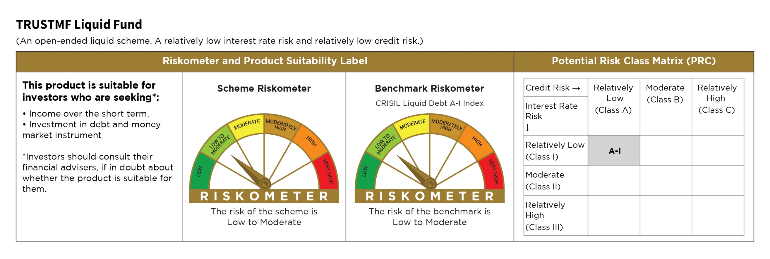

TMFST
...
Notes & Symbols :-
# -> Less Than 0.005% ; A** -> awaiting Listing on Stock Exchanges ; T** -> Thinly Traded Securities ; N** -> Non Traded Securities ; I** -> Illiquid Shares ; R** -> Rights Entitlement ; P** Preference Shares ; W** Warrants
1. Non Convertible Debentures and Bonds are considered as Traded based on information provided by external agencies.
2. ^ The Name of the Industry is in accordance with Industry Classification as recommended by AMFI.
3. All corporate ratings are assigned by rating agencies like CRISIL; CARE; ICRA; IND; BRW.
4. & For Short-term, Fixed and Margin Deposits, the yield populated is Coupon Rate
5. In Line with AMFI Best Practices Guidelines Circular No. AMFI/ 35P/ MEM-COR/ 72 / 2022-23 dated December 31, 2022 on Standard format for disclosure Portfolio YTM for Debt Schemes, yield of the instruments is disclosed on annualized basis as provided by Valuation agencies.

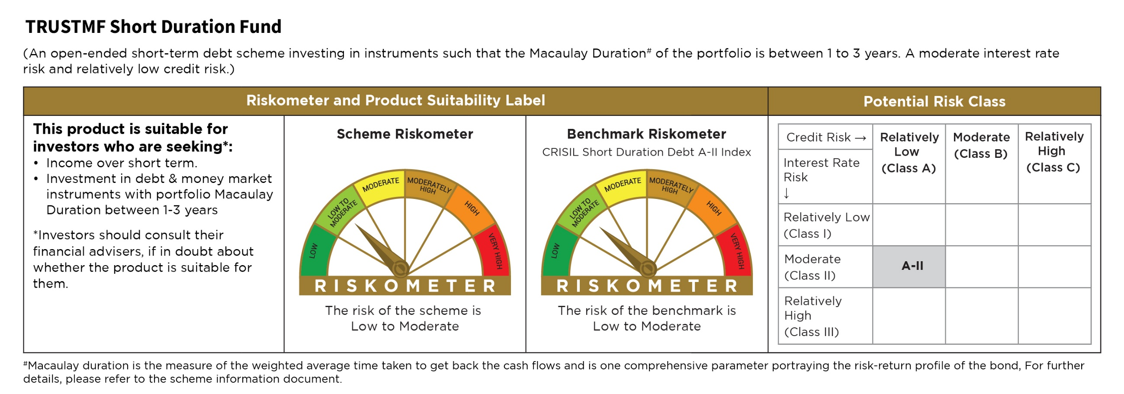

TMFOF
...
Notes & Symbols :-
# -> Less Than 0.005% ; A** -> awaiting Listing on Stock Exchanges ; T** -> Thinly Traded Securities ; N** -> Non Traded Securities ; I** -> Illiquid Shares ; R** -> Rights Entitlement ; P** Preference Shares ; W** Warrants
1. Non Convertible Debentures and Bonds are considered as Traded based on information provided by external agencies.
2. ^ The Name of the Industry is in accordance with Industry Classification as recommended by AMFI.
3. All corporate ratings are assigned by rating agencies like CRISIL; CARE; ICRA; IND; BRW.
4. & For Short-term, Fixed and Margin Deposits, the yield populated is Coupon Rate
5. In Line with AMFI Best Practices Guidelines Circular No. AMFI/ 35P/ MEM-COR/ 72 / 2022-23 dated December 31, 2022 on Standard format for disclosure Portfolio YTM for Debt Schemes, yield of the instruments is disclosed on annualized basis as provided by Valuation agencies.

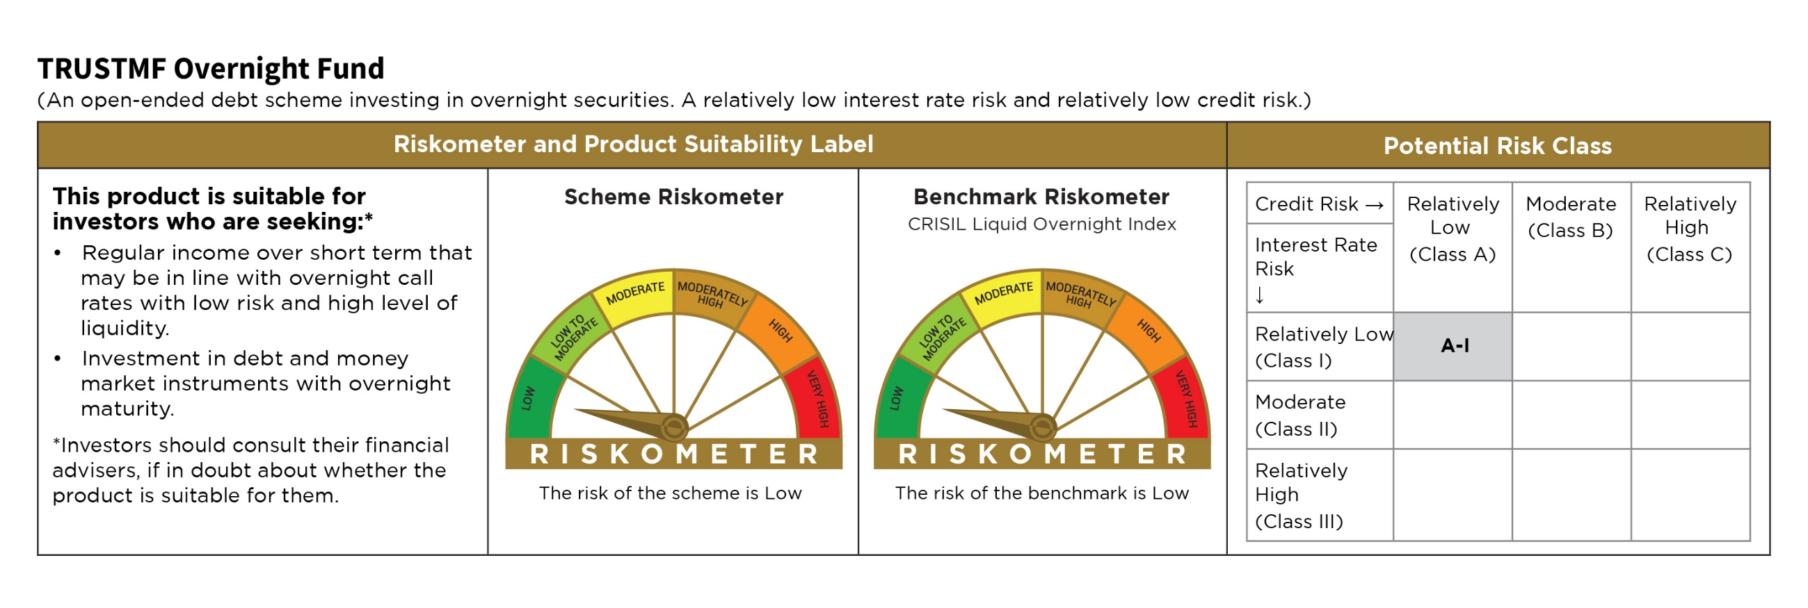

TMFMM
...
Notes & Symbols :-
2. ^ The Name of the Industry is in accordance with Industry Classification as recommended by AMFI.
3. All corporate ratings are assigned by rating agencies like CRISIL; CARE; ICRA; IND; BRW.
4. & For Short-term, Fixed and Margin Deposits, the yield populated is Coupon Rate
5. In Line with AMFI Best Practices Guidelines Circular No. AMFI/ 35P/ MEM-COR/ 72 / 2022-23 dated December 31, 2022 on Standard format for disclosure Portfolio YTM for Debt Schemes, yield of the instruments is disclosed on annualized basis as provided by Valuation agencies.

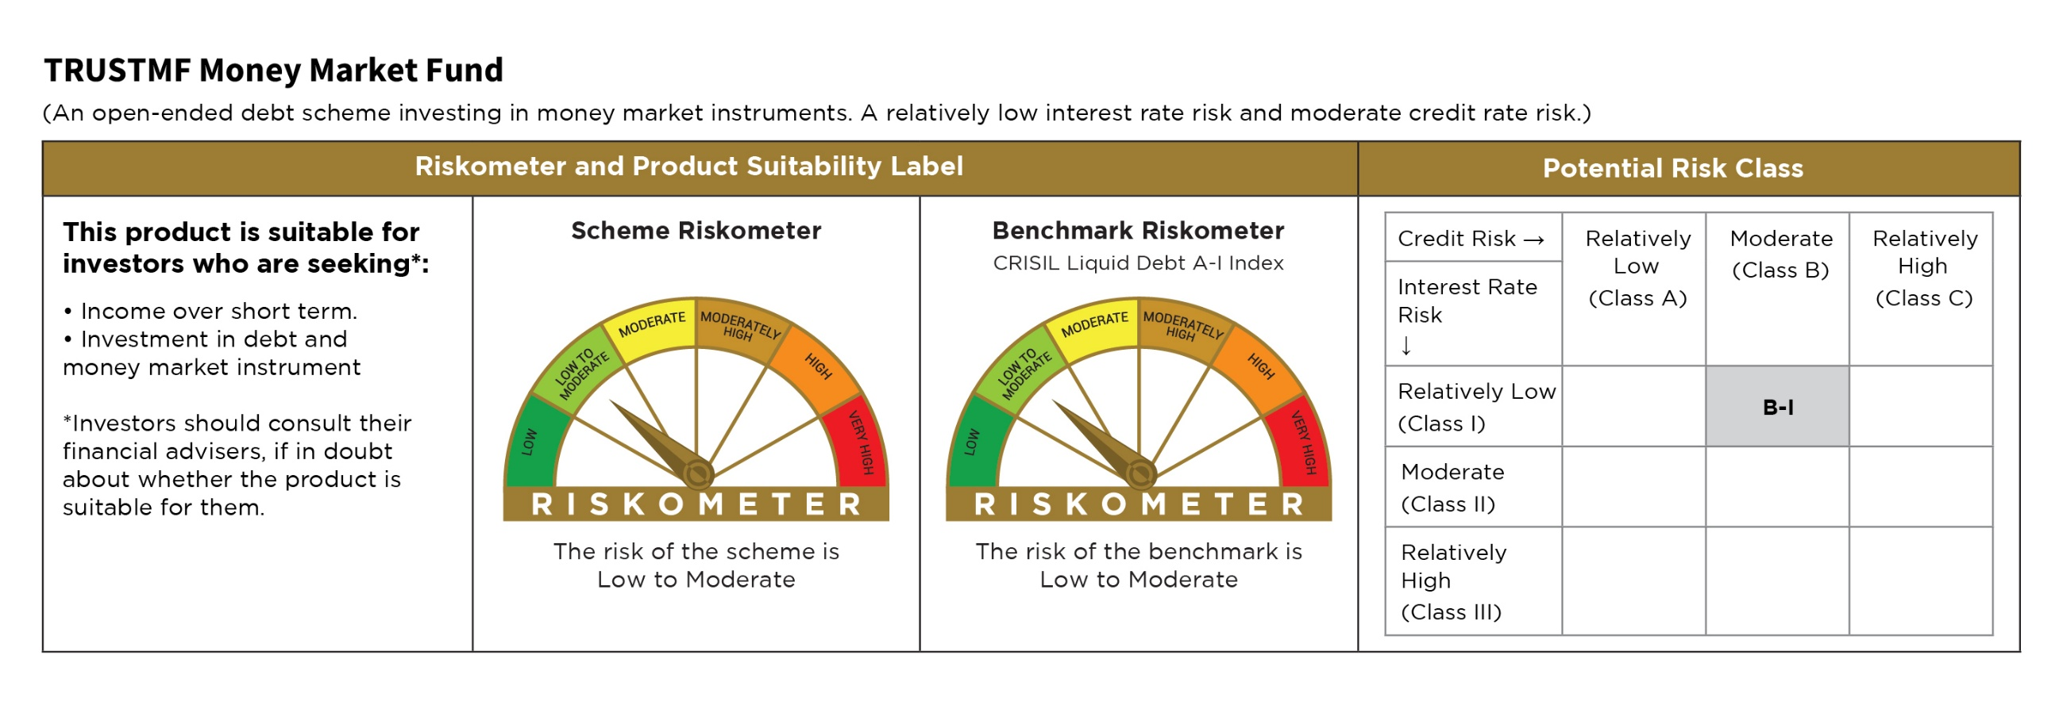

TMFFLEXI
...
Notes & Symbols :-
# -> Less Than 0.005% ; A** -> awaiting Listing on Stock Exchanges ; T** -> Thinly Traded Securities ; N** -> Non Traded Securities ; I** -> Illiquid Shares ; R** -> Rights Entitlement ; P** Preference Shares ; W** Warrants
1. Non Convertible Debentures and Bonds are considered as Traded based on information provided by external agencies.
2. ^ The Name of the Industry is in accordance with Industry Classification as recommended by AMFI.
3. All corporate ratings are assigned by rating agencies like CRISIL; CARE; ICRA; IND; BRW.
4. & For Short-term, Fixed and Margin Deposits, the yield populated is Coupon Rate
5. In Line with AMFI Best Practices Guidelines Circular No. AMFI/ 35P/ MEM-COR/ 72 / 2022-23 dated December 31, 2022 on Standard format for disclosure Portfolio YTM for Debt Schemes, yield of the instruments is disclosed on annualized basis as provided by Valuation agencies.

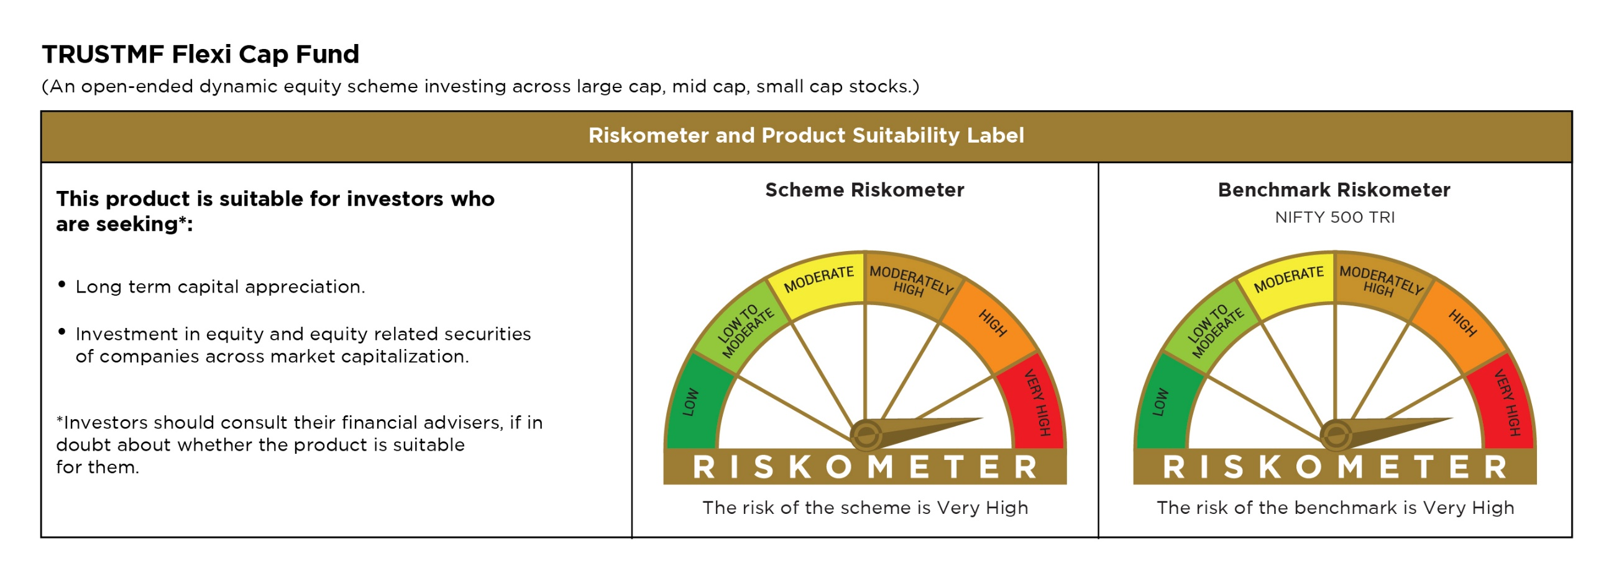

TMFSCAP
...
Notes & Symbols :-
1. Non Convertible Debentures and Bonds are considered as Traded based on information provided by external agencies.
2. ^ The Name of the Industry is in accordance with Industry Classification as recommended by AMFI.
3. All corporate ratings are assigned by rating agencies like CRISIL; CARE; ICRA; IND; BRW.
4. & For Short-term, Fixed and Margin Deposits, the yield populated is Coupon Rate
5. In Line with AMFI Best Practices Guidelines Circular No. AMFI/ 35P/ MEM-COR/ 72 / 2022-23 dated December 31, 2022 on Standard format for disclosure Portfolio YTM for Debt Schemes, yield of the instruments is disclosed on annualized basis as provided by Valuation agencies.

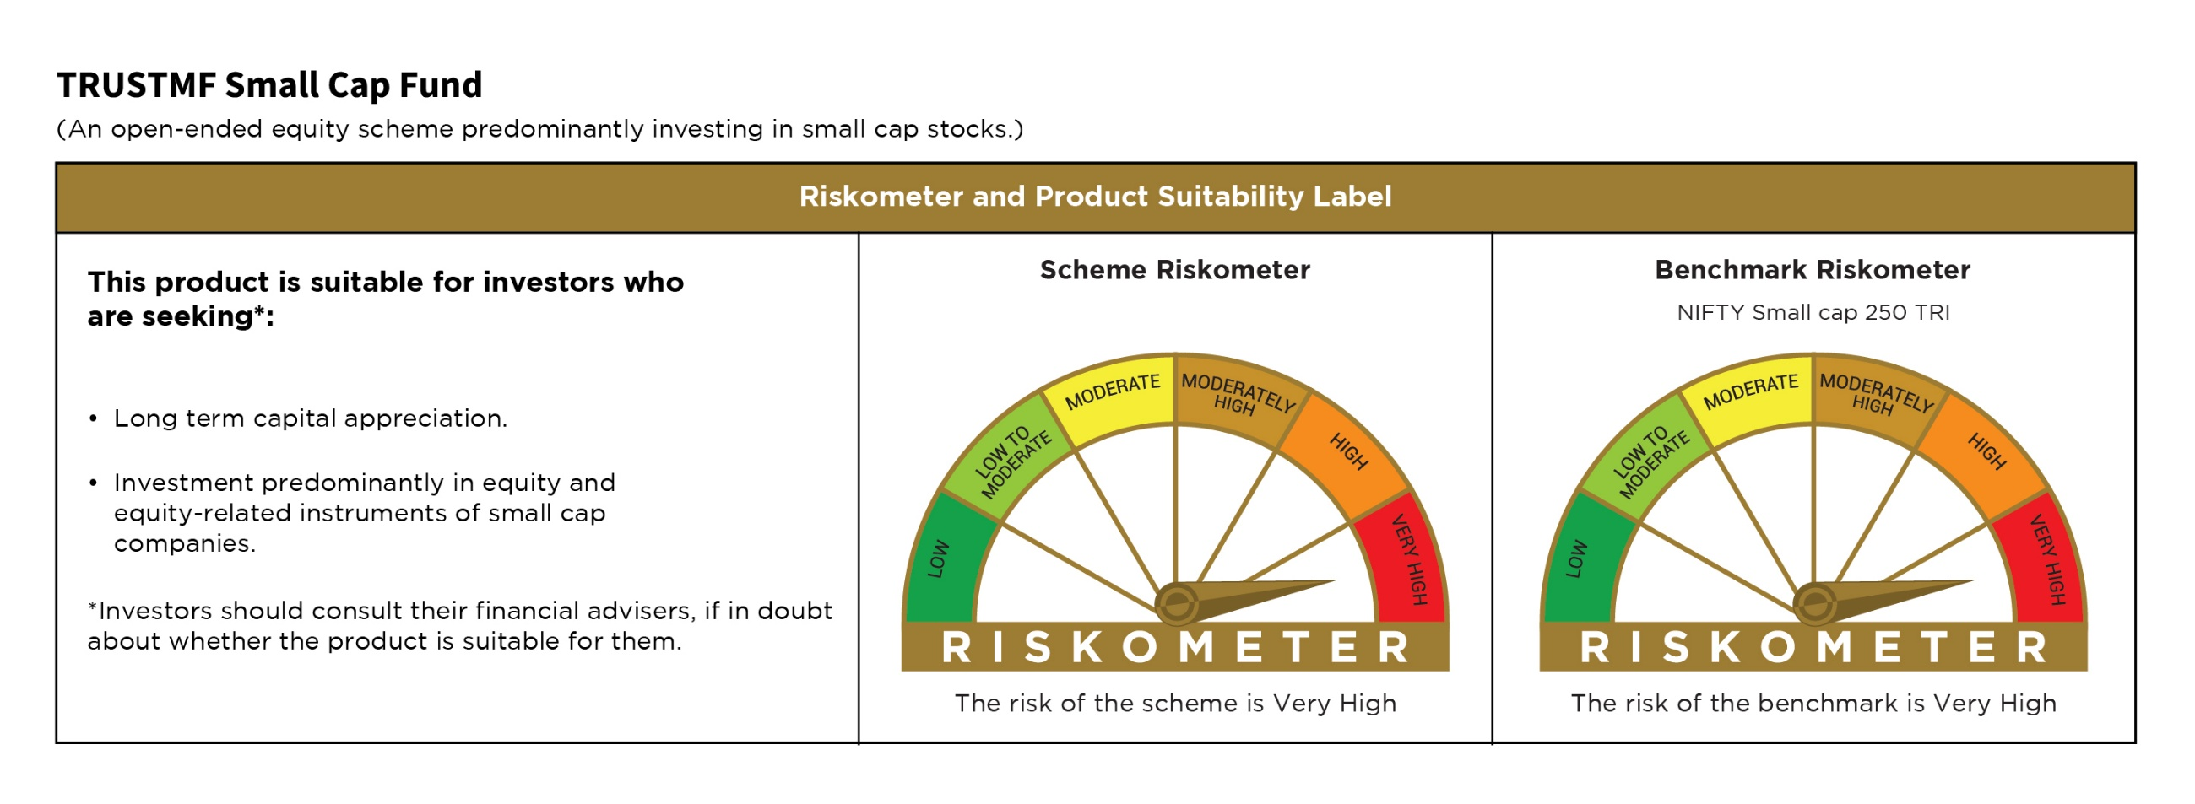

TMFMCAP
...
Notes & Symbols :-
3. All corporate ratings are assigned by rating agencies like CRISIL; CARE; ICRA; IND; BRW.
4. & For Short-term, Fixed and Margin Deposits, the yield populated is Coupon Rate
5. In Line with AMFI Best Practices Guidelines Circular No. AMFI/ 35P/ MEM-COR/ 72 / 2022-23 dated December 31, 2022 on Standard format for disclosure Portfolio YTM for Debt Schemes, yield of the instruments is disclosed on annualized basis as provided by Valuation agencies.

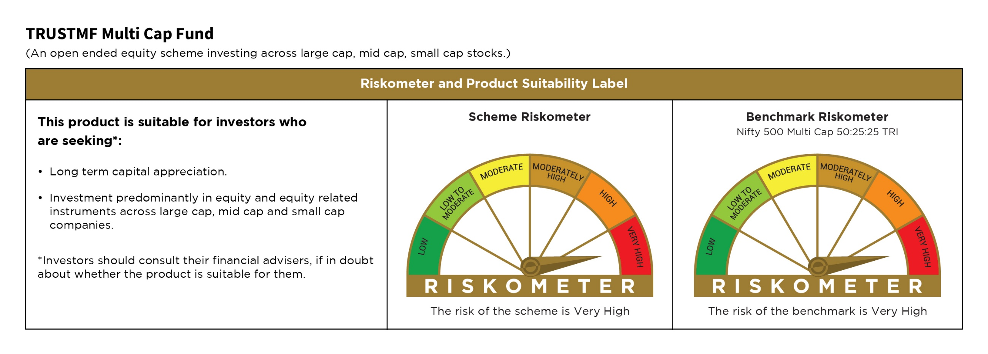

TMFARB
...
Notes & Symbols :-
# -> Less Than 0.005% ; A** -> awaiting Listing on Stock Exchanges ; T** -> Thinly Traded Securities ; N** -> Non Traded Securities ; I** -> Illiquid Shares ; R** -> Rights Entitlement ; P** Preference Shares ; W** Warrants
1. Non Convertible Debentures and Bonds are considered as Traded based on information provided by external agencies.
2. ^ The Name of the Industry is in accordance with Industry Classification as recommended by AMFI.
3. All corporate ratings are assigned by rating agencies like CRISIL; CARE; ICRA; IND; BRW.
4. & For Short-term, Fixed and Margin Deposits, the yield populated is Coupon Rate
5. In Line with AMFI Best Practices Guidelines Circular No. AMFI/ 35P/ MEM-COR/ 72 / 2022-23 dated December 31, 2022 on Standard format for disclosure Portfolio YTM for Debt Schemes, yield of the instruments is disclosed on annualized basis as provided by Valuation agencies.

