TRUSTMF Liquid Fund
MONTHLY PORTFOLIO STATEMENT AS ON March 31, 2026 |  |  |  |  |  |  |  | TMFLIQ
[Pursuant to Regulation 59 A of Securities and Exchange Board of India (Mutual Funds)

TRUSTMF LIQUID Fund (An Open Ended Liquid Scheme)
Name of Instrument | ISIN | Rating | Quantity | Market Value (In Rs. lakh) | % To Net Assets | Yield to Maturity (YTM) | Yield to Call (YTC) ^^
Debt Instruments
(a) Listed / awaiting listing on Stock Exchange
Subtotal |  |  |  | NIL | NIL
(b) Privately placed / Unlisted
Subtotal |  |  |  | NIL | NIL
(c) Securitised Debt
Subtotal |  |  |  | NIL | NIL
Total |  |  |  | NIL | NIL

Money Market Instruments |  |  |  |  |  |  |  |  | 1
Certificate of Deposits
HDFC Bank Limited (24/06/2026)# | INE040A16HB9 | CRISIL A1+ | 7500000 | 7,372.75 | 10.44% | 7.50%
Canara Bank (11/05/2026) **# | INE476A16E46 | CRISIL A1+ | 2500000 | 2,478.34 | 3.51% | 7.98%
Punjab National Bank (18/05/2026) # | INE160A16UK9 | CRISIL A1+ | 2500000 | 2,474.67 | 3.50% | 7.95%
Bank of Baroda (25/05/2026) # | INE028A16JR6 | IND A1+ | 2500000 | 2,471.12 | 3.50% | 7.90%
Indian Bank (03/06/2026) ** # | INE562A16QQ1 | CRISIL A1+ | 2500000 | 2,468.60 | 3.50% | 7.37%
HDFC Bank Limited (05/06/2026) ** # | INE040A16IS1 | CARE A1+ | 2500000 | 2,467.65 | 3.49% | 7.36%
Bank of Baroda (15/06/2026) # | INE028A16JU0 | IND A1+ | 2500000 | 2,462.66 | 3.49% | 7.38%
Canara Bank (22/06/2026)** # | INE476A16G85 | CRISIL A1+ | 2500000 | 2,459.23 | 3.48% | 7.38%
Punjab National Bank (23/06/2026)** # | INE160A16UZ7 | CRISIL A1+ | 2500000 | 2,458.74 | 3.48% | 7.38%
Subtotal |  |  |  | 27,113.74 | 38.40%
Commercial Papers
National Bank For Agriculture and Rural Development (14/05/2026) ** | INE261F14OS5 | ICRA A1+ | 5000000 | 4,952.74 | 7.01% | 8.10%
Power Finance Corporation Limited (25/06/2026) ** | INE134E14AY4 | CRISIL A1+ | 5000000 | 4,914.62 | 6.96% | 7.46%
HDFC Securities Limited (24/06/2026) ** | INE700G14TA7 | CARE A1+ | 5000000 | 4,911.28 | 6.96% | 7.85%
Export Import Bank of India (27/05/2026) ** | INE514E14TF6 | CRISIL A1+ | 2500000 | 2,469.78 | 3.50% | 7.98%
Kotak Securities Limited (01/06/2026) ** | INE028E14VG1 | CRISIL A1+ | 2500000 | 2,467.73 | 3.50% | 7.82%
Small Industries Dev Bank of India (05/06/2026) ** | INE556F14MD4 | CRISIL A1+ | 2500000 | 2,467.09 | 3.49% | 7.49%
National Bank For Agriculture and Rural Development (09/06/2026) ** | INE261F14OX5 | CRISIL A1+ | 2500000 | 2,464.75 | 3.49% | 7.57%
Export Import Bank of India (10/06/2026) ** | INE514E14TH2 | CRISIL A1+ | 2500000 | 2,463.86 | 3.49% | 7.65%
Subtotal |  |  |  | 27,111.84 | 38.40%
Treasury Bills
91 Days Tbill (MD 28/05/2026) | IN002025X471 | Sovereign | 5104900 | 5,063.19 | 7.17% | 5.28%
91 Days Tbill (MD 19/06/2026) | IN002025X505 | Sovereign | 5000000 | 4,942.45 | 7.00% | 5.38%
182 Days Tbill (MD 28/05/2026) | IN002025Y354 | Sovereign | 2500000 | 2,479.58 | 3.51% | 5.28%
91 Days Tbill (MD 11/06/2026) | IN002025X497 | Sovereign | 2500000 | 2,474.04 | 3.50% | 5.39%
91 Days Tbill (MD 09/04/2026) | IN002025X406 | Sovereign | 200000 | 199.77 | 0.28% | 5.30%
Subtotal |  |  |  | 15,159.02 | 21.47%
Tri Party Repo (TREPs)
TREPS |  |  |  | 1101.23 | 1.56%
Sub Total |  |  |  | 1,101.23 | 1.56%
Total |  |  |  | 70,485.83 | 99.83%

Others
Investment in Corporate Debt Market Development Fund (CDMDF)$$ | INF0RQ622028 |  | 1346.936 | 157.49 | 0.22%
Total |  |  |  | 157.49 | 0.22%

Net Current Assets |  |  |  | (36.89) | -0.05%
GRAND TOTAL |  |  |  | 70,606.44 | 100.00%

** Non Traded Securities
# Unlisted Securities
^^ As per AMFI Best Practices Circular dated 24 March 2021, Yield to Call (YTC) to be disclosed for Perpetual Bonds issued by Banks.
$$ Investment by Mutual Fund Schemes in units of Corporate Debt Market Development Fund as mandated by SEBI vide it's circular SEBI/HO/IMD/PoD2/P/CIR/2023/129 dated July 27, 2023. Further, Average Maturity, YTM and Duration has been calculated in line with note 5.5 of the captioned circular.

Notes :
1) The provision made for investment in security below investment grade as on March 31, 2026 is Rs Nil and its percentage to Net Asset Value is Nil.
2) Net Assets Value per unit (in Rs) are as follows :
Plan/Option |  |  |  | As on March 31, 2026 |  | As on 28 February 2026
Direct Plan - Daily IDCW |  |  |  | 1,268.1113 |  | 1,263.7357
Direct Plan - Growth Option |  |  |  | 1,333.6537 |  | 1,327.2193
Direct Plan - Monthly IDCW |  |  |  | 1,197.5957 |  | 1,193.8047
Direct Plan - Weekly IDCW |  |  |  | 1,225.4423 |  | 1,222.0120
Regular Plan - Daily IDCW |  |  |  | 1,199.0646 |  | 1,195.7659
Regular Plan - Growth Option |  |  |  | 1,323.7288 |  | 1,317.5104
Regular Plan - Monthly IDCW |  |  |  | 1,188.7495 |  | 1,185.1542
Regular Plan - Weekly IDCW |  |  |  | 1,174.2778 |  | 1,171.3414

3) Details of Dividend declared per unit (in Rs.) during the month ended March 31, 2026
Plan/Option |  |  |  | Individuals/HUF |  | Other than Individual/HUF
Direct Plan - Daily IDCW |  |  |  | 2.400000 |  | 2.400000
Direct Plan - Monthly IDCW |  |  |  | 2.000000 |  | 2.000000
Direct Plan - Weekly IDCW |  |  |  | 2.500000 |  | 2.500000
Regular Plan - Daily IDCW |  |  |  | 2.400000 |  | 2.400000
Regular Plan - Monthly IDCW |  |  |  | 2.000000 |  | 2.000000
Regular Plan - Weekly IDCW |  |  |  | 3.000000 |  | 3.000000
4) No Bonus declared during the month ended March 2026
5) Total outstanding exposure in derivative instruments as on March 31, 2026 : Nil.
6) Total investments in Foreign Securities / Overseas ETFs as at March 31, 2026 and its percentage to NAV : Nil.
7) Details of repo transactions in corporate debt securities for the month ended March 2026: NIL
8) Details of transactions of (Credit Default Swap) for month ended March 31, 2026 : Nil.
9) Average maturity of the portfolio : 68 Days
10) Annualised Portfolio YTM : 7.14%
11) Macaulay Duration : 68 Days
10) Reverse Repo market value is considered as book cost plus accrued Interest.
11) Whether any security is in default beyond its maturity date: Nil
12) Whether during the period any investment is made in derivative instruments: Nil
15) Instances of Fair valuation of securities or Deviation in valuation from what is provided by valuation agencies: Nil
16) Any deviation from the mandated assets allocation - Nil
17) Deviation from the valuation prices given by valuation agencies during the relevant period: Nil
18) Aggregate Investments by other schemes of TRUST Mutual Fund at the end of the period is Rs. 1,202.90 lakhs
19) For other details please refer to our website - www.trustmf.com

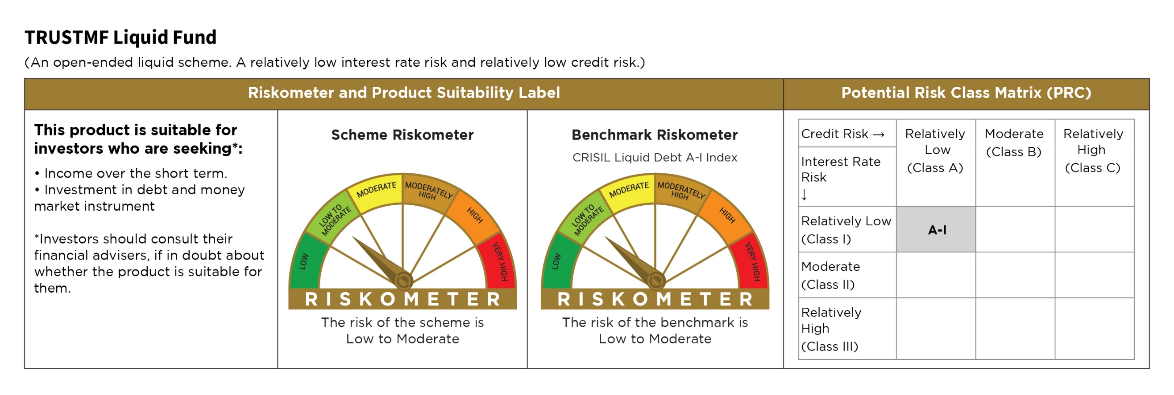

TRUSTMF Short Duration Fund
MONTHLY PORTFOLIO STATEMENT AS ON March 31, 2026
[Pursuant to Regulation 59 A of Securities and Exchange Board of India (Mutual Funds)

TRUSTMF SHORT DURATION FUND (An open ended short term debt scheme investing in instruments such that the Macaulay duration of the portfolio is between 1 to 3 years)
...
3) Details of Dividend declared per unit (in Rs.) during the month ended March 2026
11) Whether any security is in default beyond its maturity date: Nil
12) Whether during the period any investment is made in derivative instruments: Nil
15) Instances of Fair valuation of securities or Deviation in valuation from what is provided by valuation agencies: Nil
16) Any deviation from the mandated assets allocation - Nil
17) Deviation from the valuation prices given by valuation agencies during the relevant period: Nil
18) For other details please refer to our website - www.trustmf.com

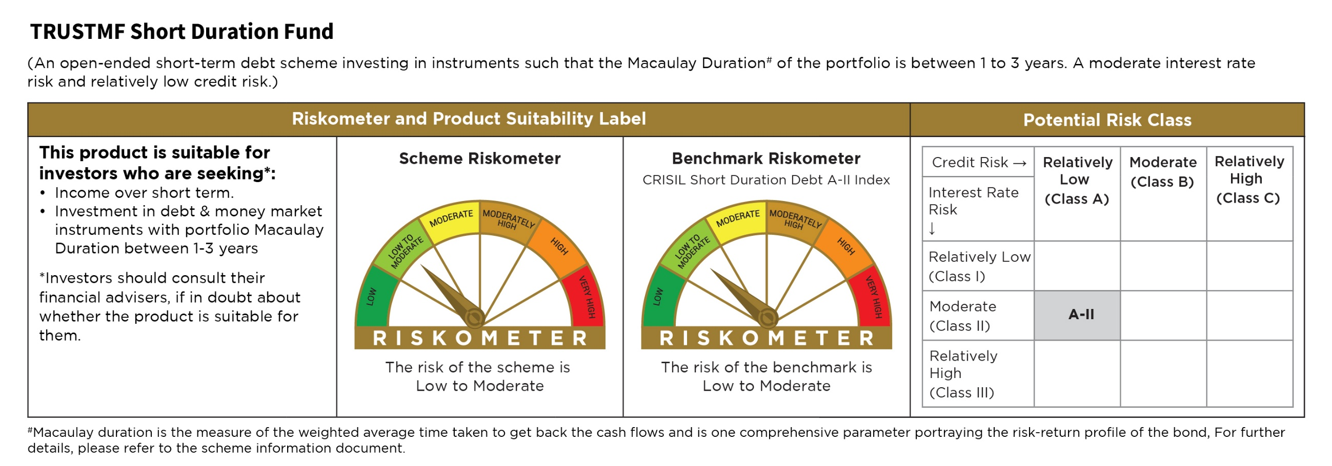

TRUSTMF Overnight Fund
...
3) Details of Dividend declared per unit (in Rs.) during the month ended March 2026
15) Instances of Fair valuation of securities or Deviation in valuation from what is provided by valuation agencies: Nil
16) Any deviation from the mandated assets allocation - Nil
17) Deviation from the valuation prices given by valuation agencies during the relevant period: Nil
18) For other details please refer to our website - www.trustmf.com

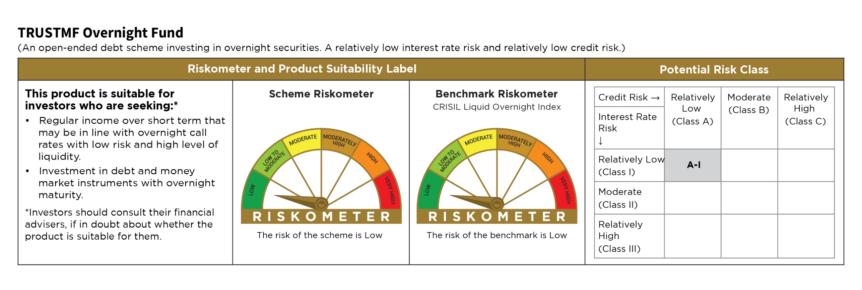

TRUSTMF Money Market Fund
...
3) Details of Dividend declared per unit (in Rs.) during the month ended March 2026
12) Whether during the period any investment is made in derivative instruments: Nil
15) Instances of Fair valuation of securities or Deviation in valuation from what is provided by valuation agencies: Nil
16) Any deviation from the mandated assets allocation - Nil
17) Deviation from the valuation prices given by valuation agencies during the relevant period: Nil
18) For other details please refer to our website - www.trustmf.com

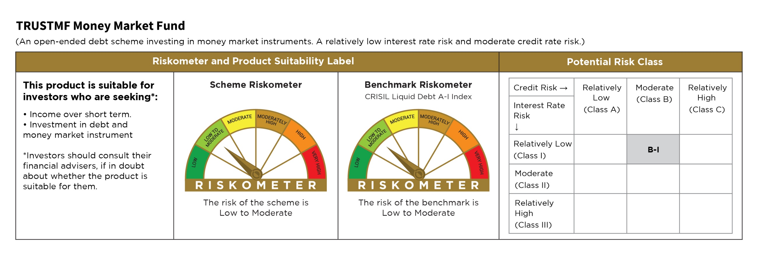

TRUSTMF Flexi Cap Fund
...
3) Details of Dividend declared per unit (in Rs.) during the month ended March 2026 is Nil
10) Reverse Repo market value is considered as book cost plus accrued Interest.
11) Whether any security is in default beyond its maturity date: Nil
12) Whether during the period any investment is made in derivative instruments: Nil
13) Instances of Fair valuation of securities or Deviation in valuation from what is provided by valuation agencies: Nil
14) Any deviation from the mandated assets allocation - Nil
15) Deviation from the valuation prices given by valuation agencies during the relevant period: Nil
16) For other details please refer to our website - www.trustmf.com

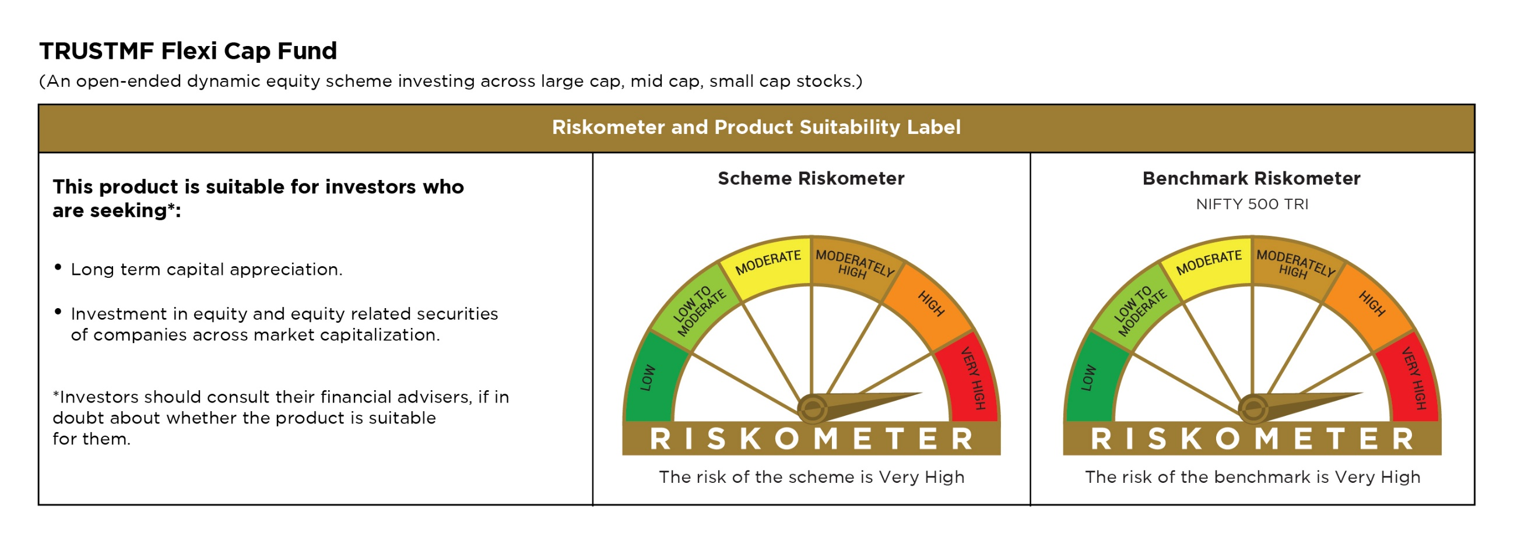

TRUSTMF Small Cap Fund
...
3) Details of Dividend declared per unit (in Rs.) during the month ended March 2026 is Nil
11) Whether any security is in default beyond its maturity date: Nil
12) Whether during the period any investment is made in derivative instruments: Nil
13) Instances of Fair valuation of securities or Deviation in valuation from what is provided by valuation agencies: Nil
14) Any deviation from the mandated assets allocation - Nil
15) Deviation from the valuation prices given by valuation agencies during the relevant period: Nil
16) For other details please refer to our website - www.trustmf.com

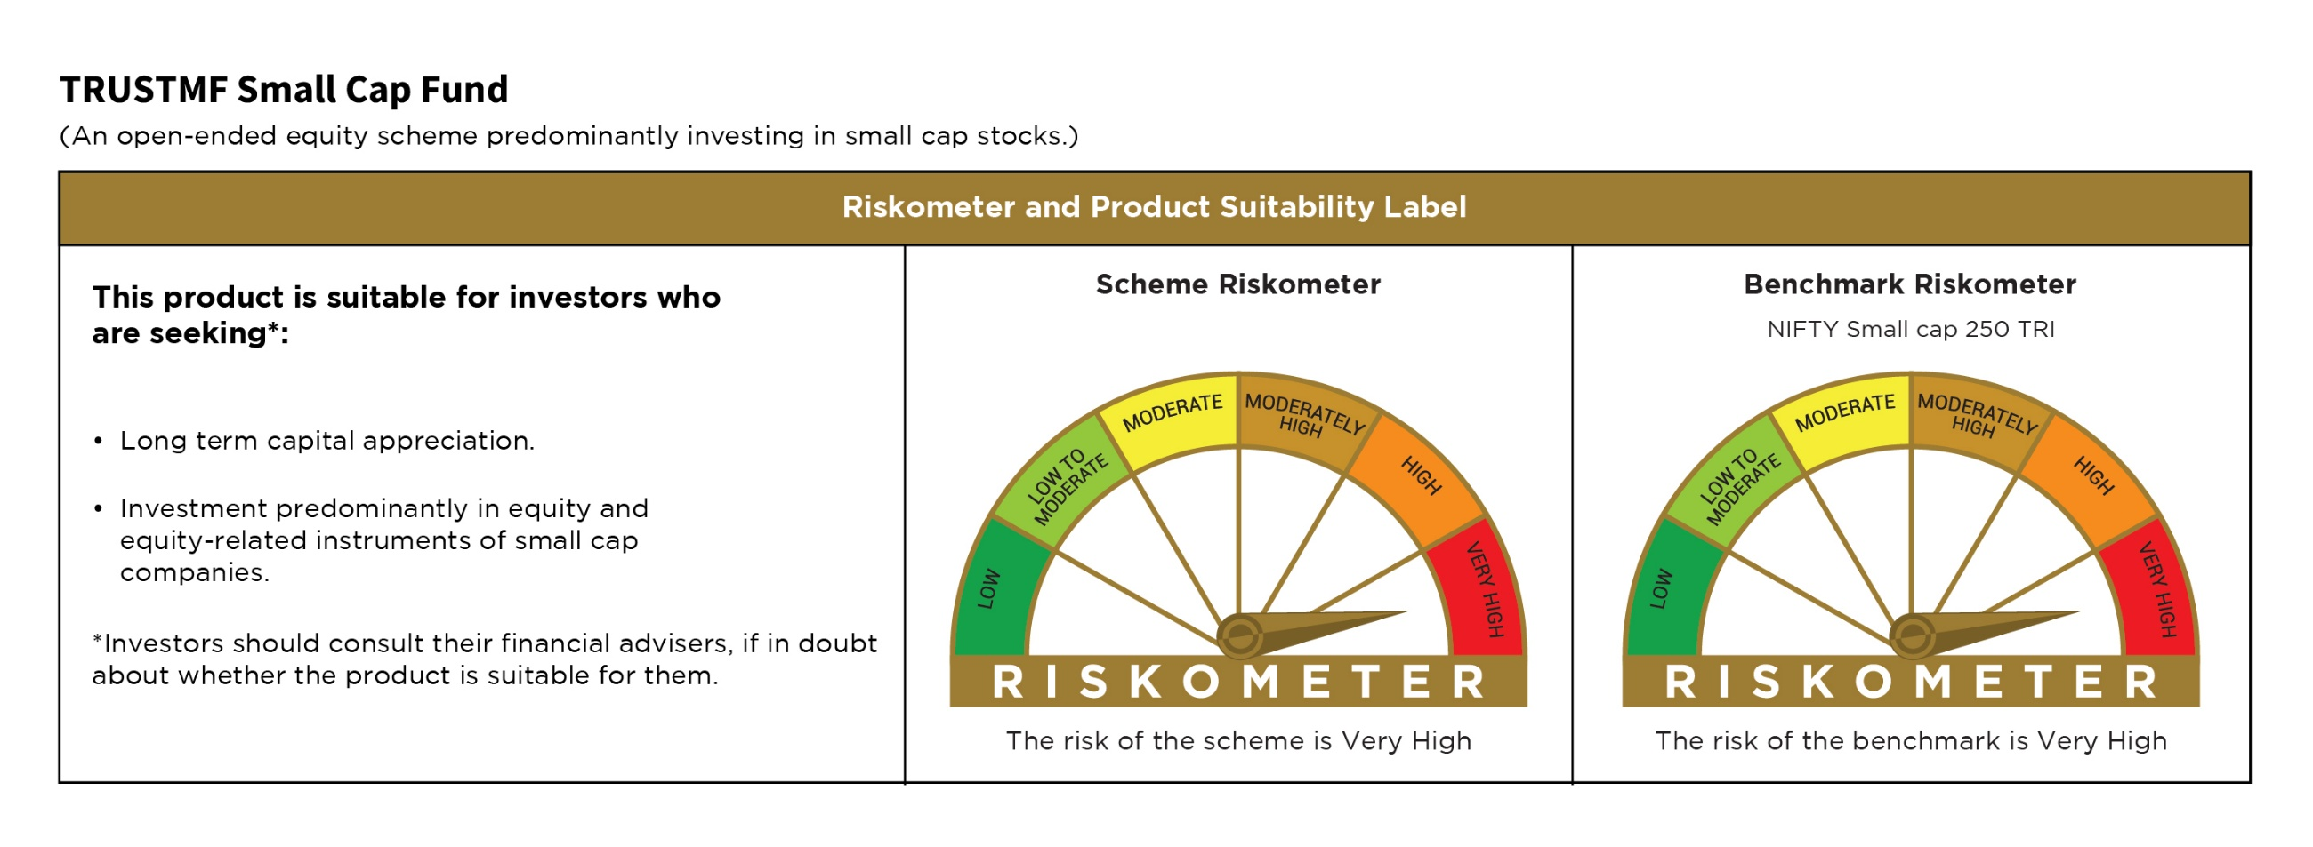

TRUSTMF Multi Cap Fund
...
3) Details of Dividend declared per unit (in Rs.) during the month ended March 2026 is Nil
10) Reverse Repo market value is considered as book cost plus accrued Interest.
11) Whether any security is in default beyond its maturity date: Nil
12) Whether during the period any investment is made in derivative instruments: Nil
13) Instances of Fair valuation of securities or Deviation in valuation from what is provided by valuation agencies: Nil
14) Any deviation from the mandated assets allocation - Nil
15) Deviation from the valuation prices given by valuation agencies during the relevant period: Nil
16) For other details please refer to our website - www.trustmf.com

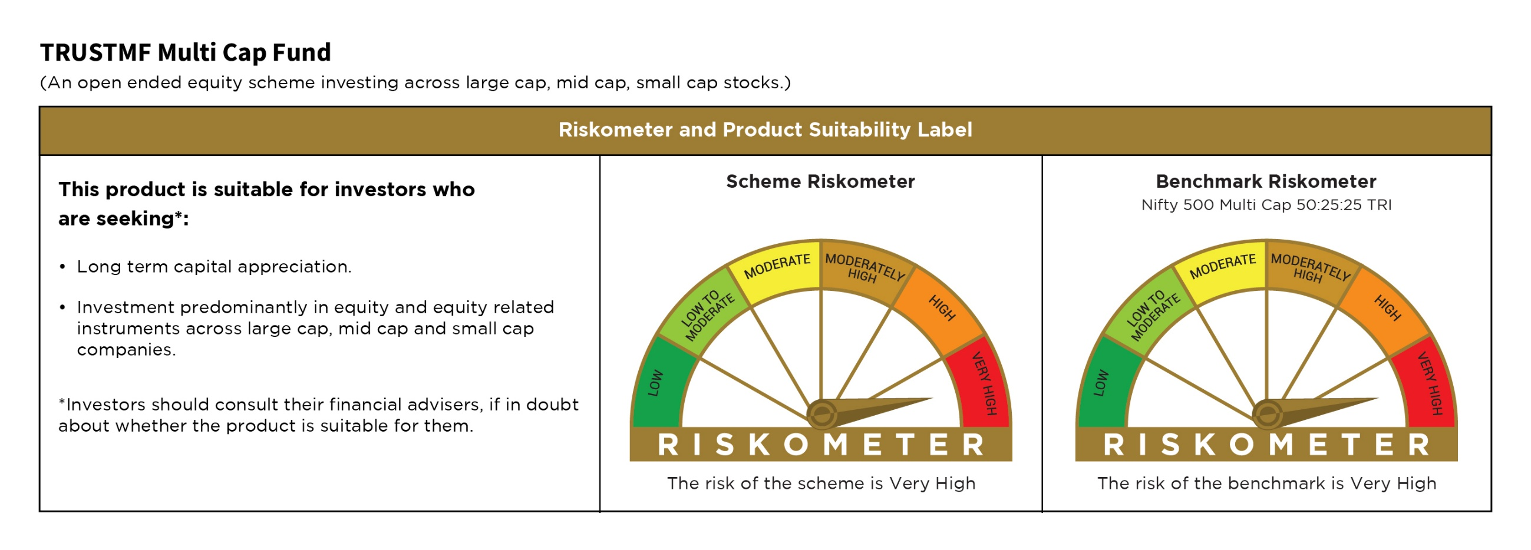

TRUSTMF Arbitrage Fund
...
3) Details of Dividend declared per unit (in Rs.) during the month ended March 2026 is Nil
13) Instances of Fair valuation of securities or Deviation in valuation from what is provided by valuation agencies: Nil
14) Any deviation from the mandated assets allocation - Nil
15) Deviation from the valuation prices given by valuation agencies during the relevant period: Nil
16) For other details please refer to our website - www.trustmf.com

